OFF-000167
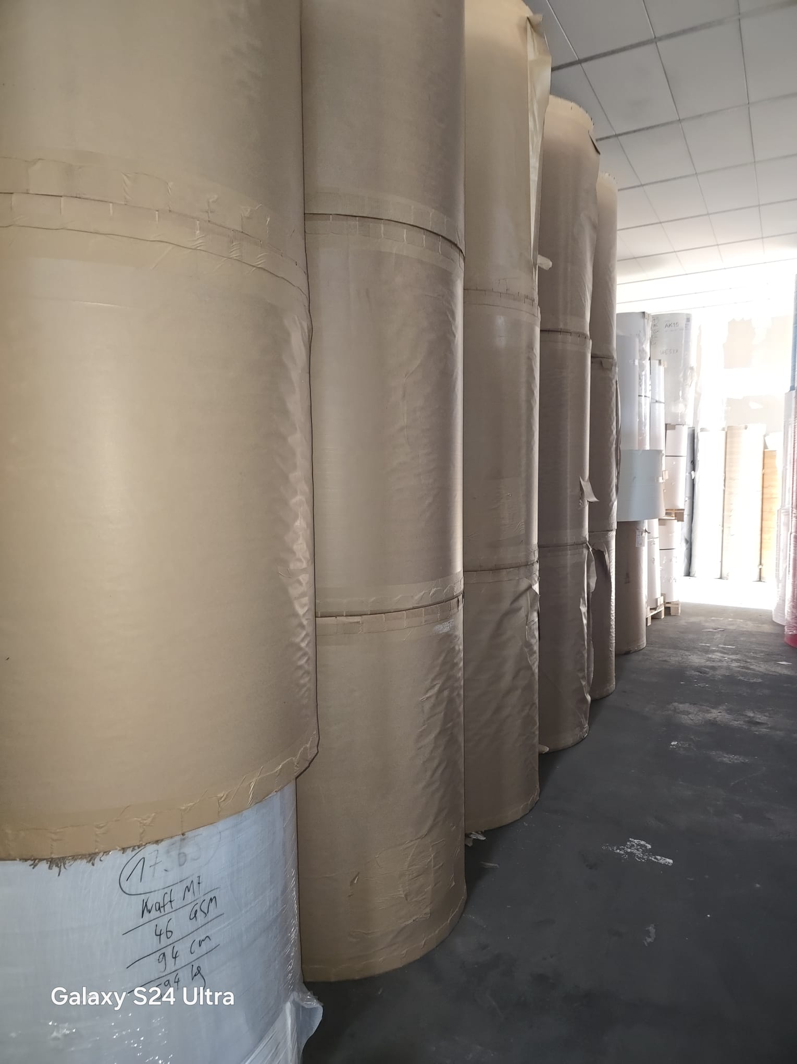
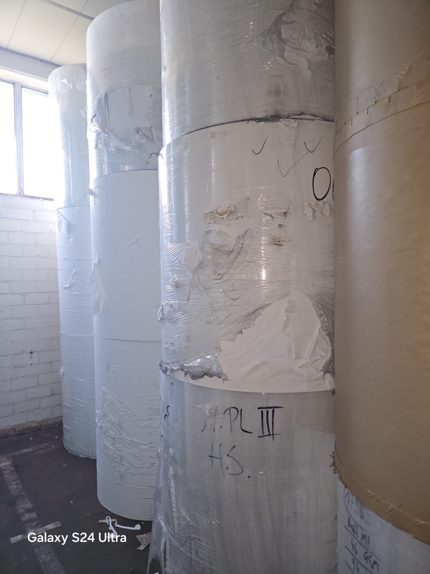
OFF-000167 Cup Cake (Pergamin) , Mg Kraft , Sulfite and Greasproof | -
Date: 2026-07-02 Rows: 32
# | Item Name | GSM | Width | KG | Qty | Pack Type
1 | MG Brown Kraft | 21 | 120 | 707 | 1 | Reel
2 | Bleached Kraft | 24 | 120 | 684 | 1 | Reel
3 | MG Brown Kraft | 24 | 120 | 703 | 1 | Reel
4 | MG Brown Kraft | 24 | 120 | 680 | 1 | Reel
5 | MG Brown Kraft | 24 | 120 | 708 | 1 | Reel
6 | MG Brown Kraft | 24 | 120 | 690 | 1 | Reel
7 | MG Brown Kraft | 24 | 120 | 677 | 1 | Reel
8 | MG Brown Kraft | 24 | 120 | 681 | 1 | Reel
9 | MG Brown Kraft | 24 | 120 | 677 | 1 | Reel
10 | MG Brown Kraft | 24 | 120 | 713 | 1 | Reel
11 | MG Brown Kraft | 24 | 120 | 709 | 1 | Reel
12 | MG Brown Kraft | 24 | 120 | 709 | 1 | Reel
13 | MG Brown Kraft | 24 | 120 | 655 | 1 | Reel
14 | MG Brown Kraft | 24 | 120 | 696 | 1 | Reel
15 | MG Brown Kraft | 24 | 120 | 670 | 1 | Reel
16 | Bleached Kraft | 35 | 30 | 140 | 1 | Reel
17 | Bleached Kraft | 35 | 124 | 1,026 | 1 | Reel
18 | Bleached Kraft | 35 | 100 | 914 | 1 | Reel
19 | Bleached Kraft | 38 | 45 | 1,124 | 1 | Reel
20 | Cup Cake (Pergamin) | 40 | 125 | 972 | 1 | Reel
21 | Bleached Kraft | 40 | 114 | 1,204 | 1 | Reel
22 | Mg White Kraft | 40 | 114 | 1,170 | 1 | Reel
23 | Bleached Kraft | 40 | 114 | 1,194 | 1 | Reel
24 | Greasproof | 40 | 60 | 557 | 1 | Reel
25 | Greasproof | 40 | 97 | 476 | 1 | Reel
26 | Mg White Kraft | 40 | 126 | 1,168 | 4 | Reel
27 | Mg White Kraft | 40 | 126 | 1,102 | 4 | Reel
28 | Mg White Kraft | 40 | 40 | 488 | 1 | Reel
29 | Mg White Kraft | 40 | 94 | 775 | 1 | Reel
30 | Mg White Kraft | 40 | 94 | 771 | 1 | Reel
31 | Bleached Kraft | 45 | 117 | 838 | 1 | Reel
32 | Bleached Kraft | 94 | 45 | 594 | 1 | Reel
TOTAL: 24.872,00 KG 38 pkgs (38 Reel)

📷 Images (3)
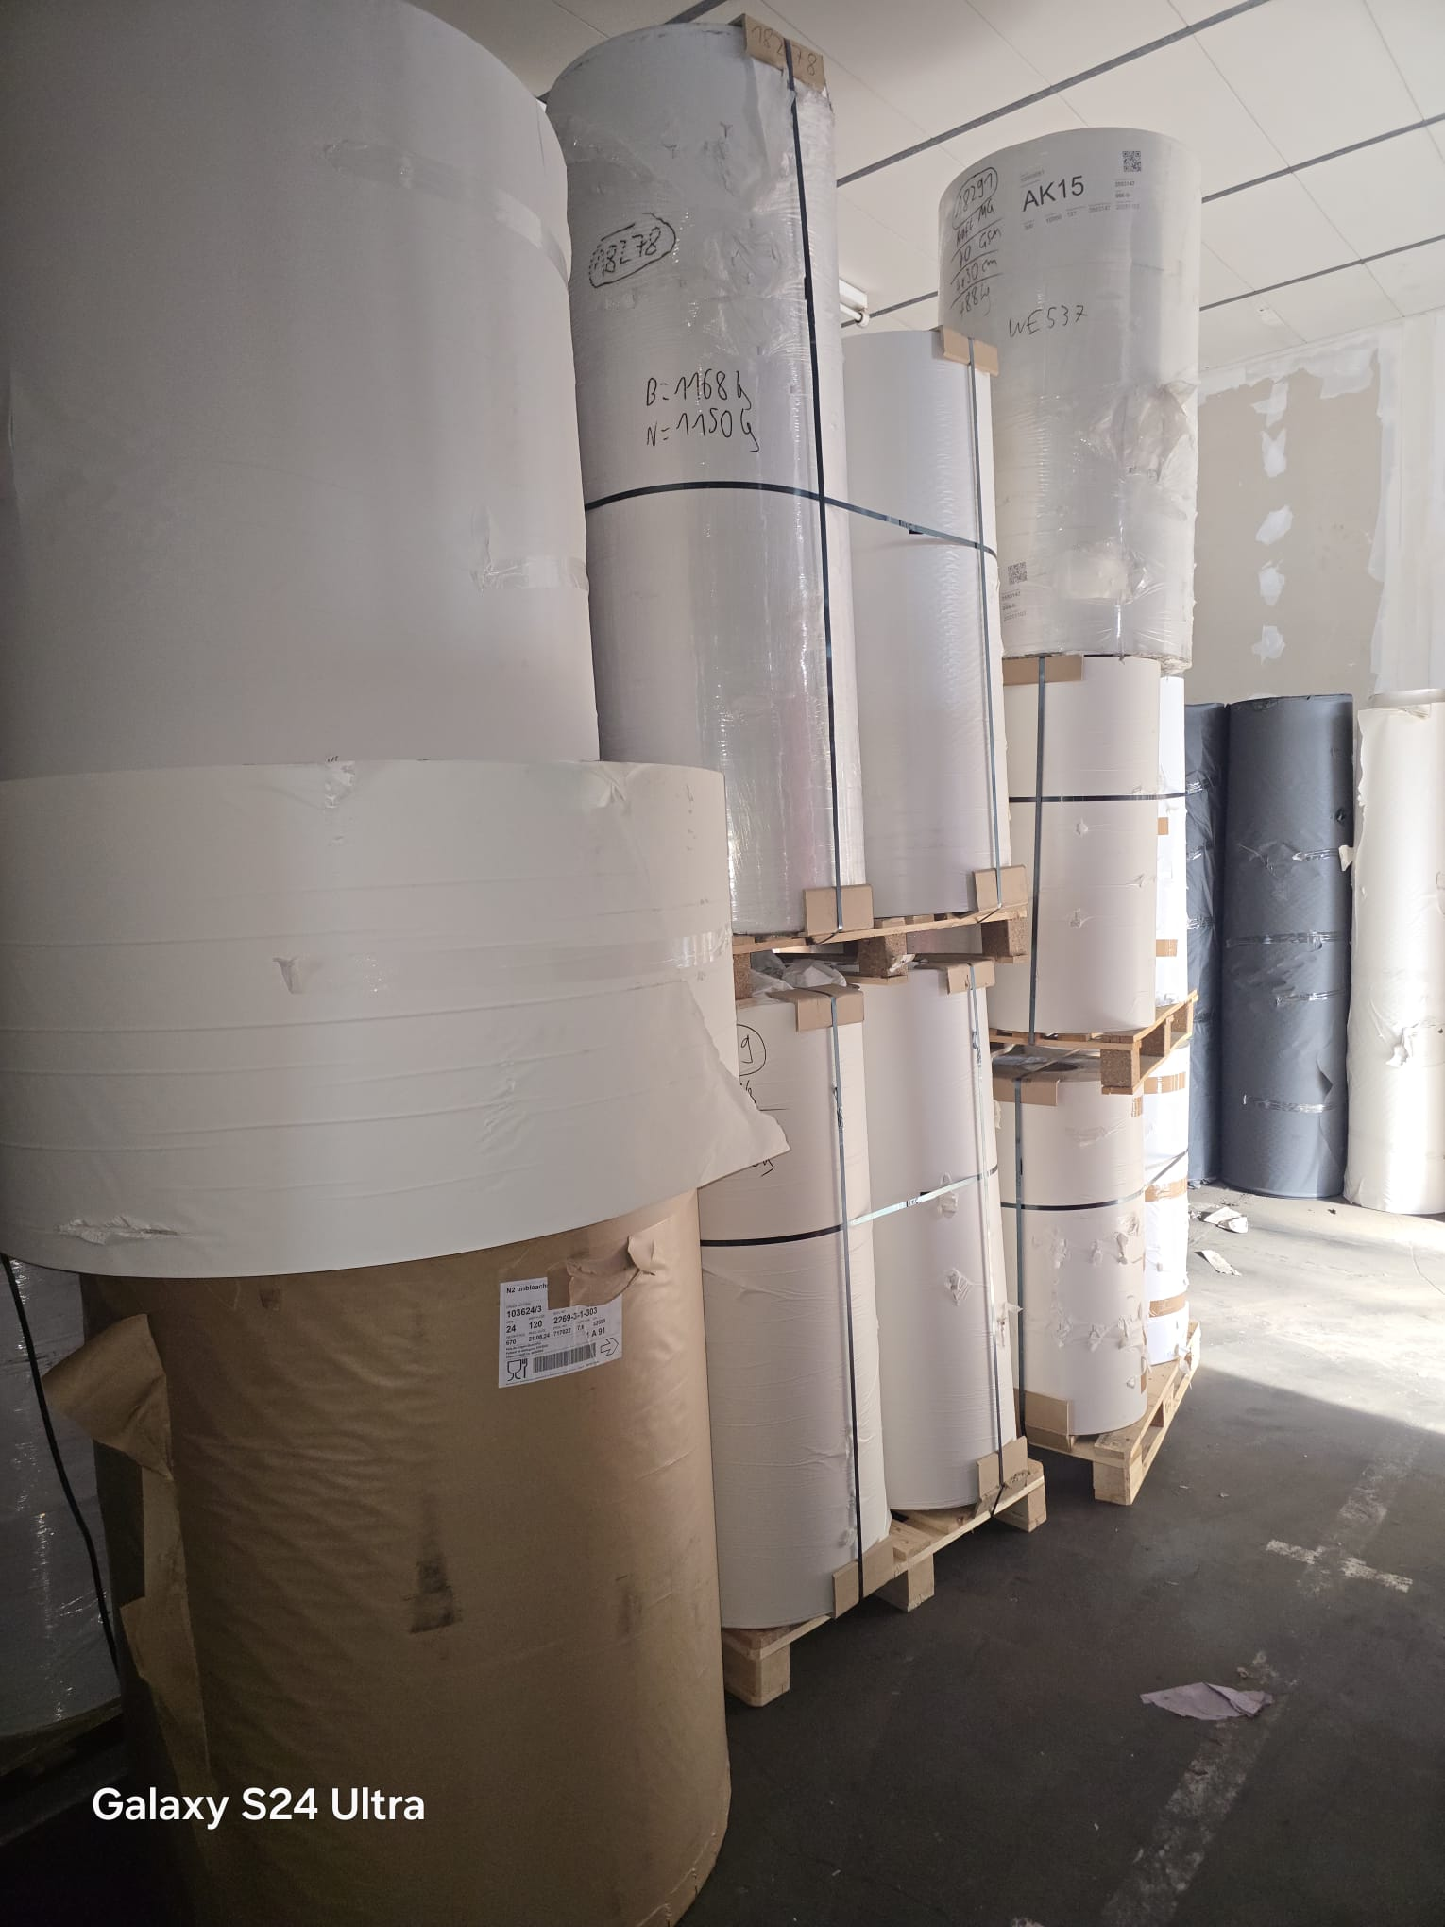
1 | 2 | 3

OFF-000165
OFF-000165 Cup Cake (Pergamin) , Sulfite , Mg Kraft | -
Date: 2026-07-02 Rows: 36
# | Item Name | GSM | Width | Qty | Pack Type | KG
1 | Sulfite | 25 | 124 | 1 | Reel | 212
2 | Mg Kraft | 35 | 61 | 1 | Reel | 420
3 | Mg Kraft | 35 | 40 | 4 | Reel | 872
4 | Mg Kraft | 35 | 30 | 5 | Reel | 1,288
5 | Cup Cake (Pergamin) | 40 | 125 | 1 | Reel | 410
6 | Cup Cake (Pergamin) | 40 | 100 | 1 | Reel | 258
7 | Mg Kraft | 40 | 54 | 2 | Reel | 341
8 | Cup Cake (Pergamin) | 40 | 125 | 1 | Reel | 388
9 | Mg Kraft | 40 | 125 | 1 | Reel | 318
10 | Mg Kraft | 40 | 25-40 | 1 | Pallet | 1,212
11 | Mg Kraft | 40 | 27-32 | 1 | Reel | 862
12 | Mg Kraft | 40 | 40 | 4 | Reel | 828
13 | Cup Cake (Pergamin) | 40 | 120 | 1 | Reel | 950
14 | Mg Kraft | 40 | 40 | 1 | Reel | 876
15 | Mg Kraft | 40 | 40 | 1 | Reel | 832
16 | Mg Kraft | 40 | 20-40 | 5 | Reel | 786
17 | Mg Kraft | 40 | 26 | 4 | Reel | 604
18 | Mg Kraft | 40 | 22 | 7 | Reel | 770
19 | Mg Kraft | 40 | 94 | 1 | Reel | 503
20 | Mg Kraft | 40 | 24 | 5 | Reel | 850
21 | Mg Kraft | 40 | 36 | 4 | Reel | 724
22 | Mg Kraft | 40 | 38 | 2 | Reel | 388
23 | Mg Kraft | 40 | 40 | 4 | Reel | 834
24 | Mg Kraft | 40 | 27 | 5 | Reel | 670
25 | Mg Kraft | 40 | 66 | 2 | Reel | 604
26 | Mg Kraft | 40 | 30 | 5 | Reel | 674
27 | Cup Cake (Pergamin) | 45 | 165 | 1 | Reel | 486
28 | Mg Kraft | 45 | 125 | 1 | Reel | 344
29 | Mg Kraft | 45 | 125 | 1 | Reel | 736
30 | Mg Kraft | 46 | 162 | 1 | Reel | 1,370
31 | Mg Kraft | 50 | 124 | 1 | Reel | 1,034
32 | Cup Cake (Pergamin) | 50 | 165 | 1 | Reel | 723
33 | Bleached Kraft | 50 | 163 | 1 | Reel | 880
34 | Sulfite | 50 | 165 | 1 | Reel | 758
35 | Sulfite | 50 | 165 | 1 | Reel | 624
36 | Mg Kraft | 50 | 165 | 1 | Reel | 950
TOTAL: 25.379,00 KG 80 pkgs (79 Reel | 1 Pallet)

📷 Images (1)
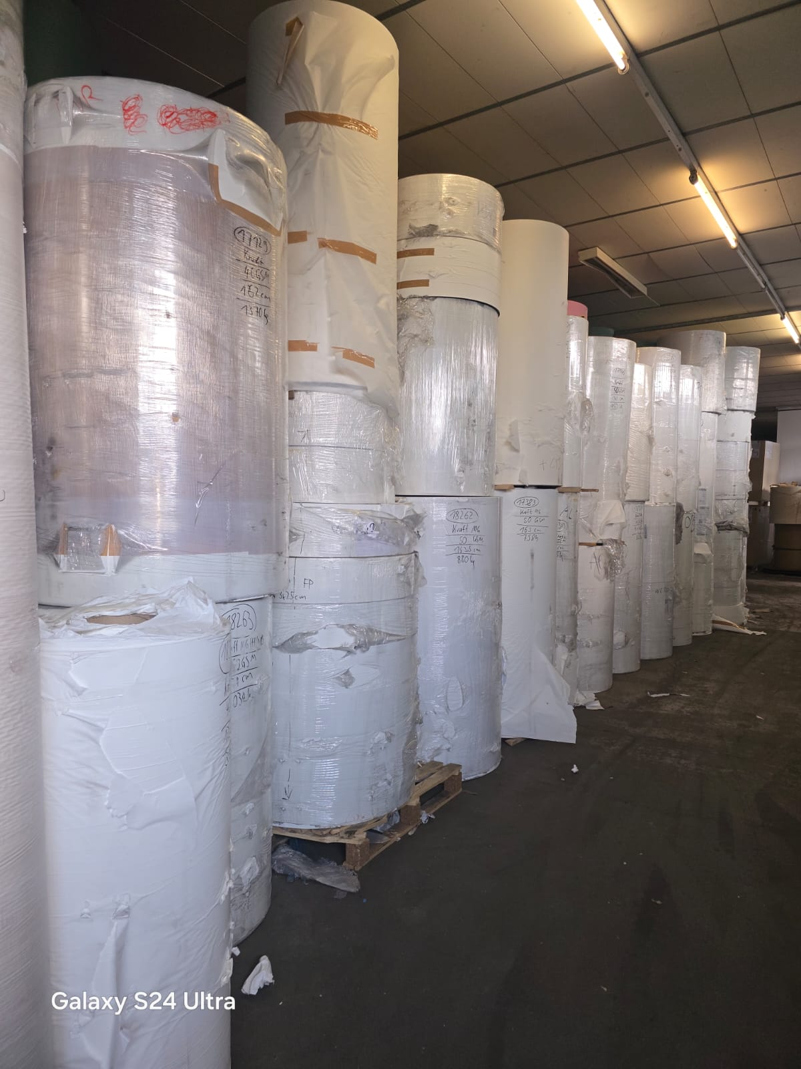
WhatsApp Image 2026-07-02 at 18.39.18

OFF-000164
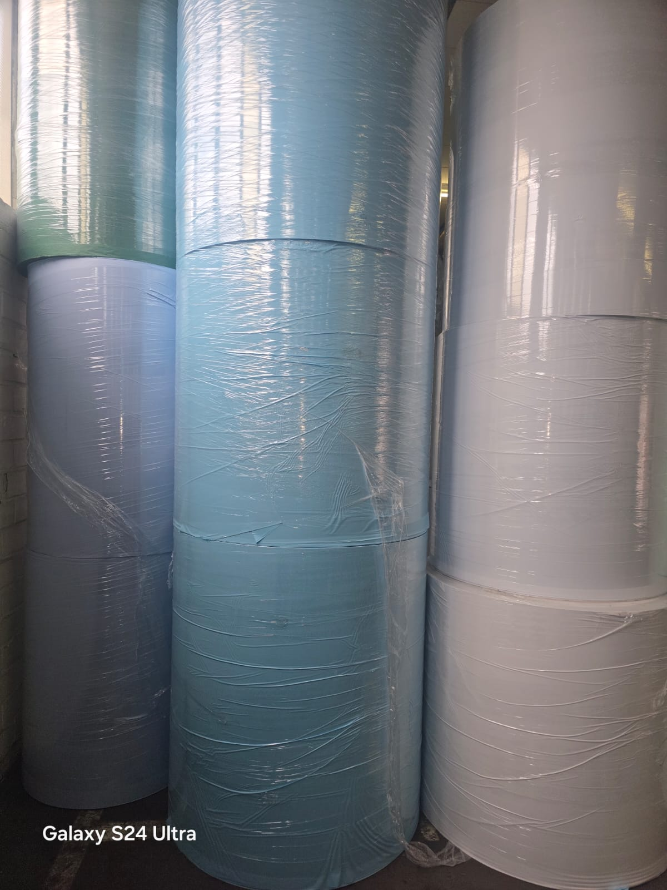
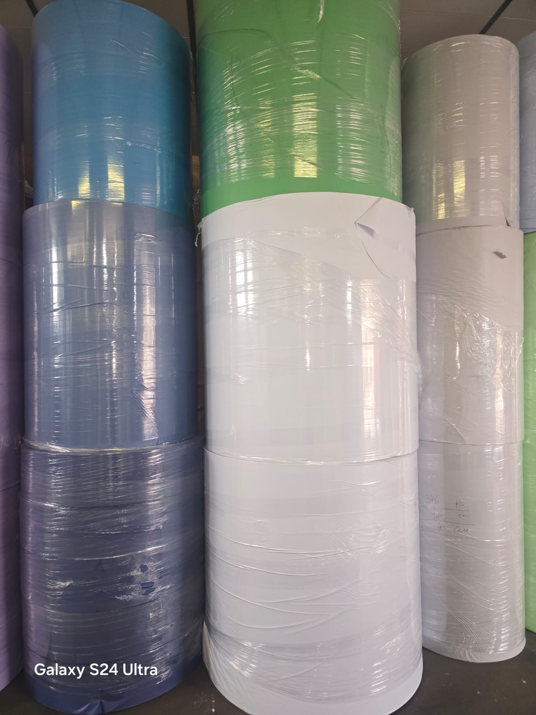
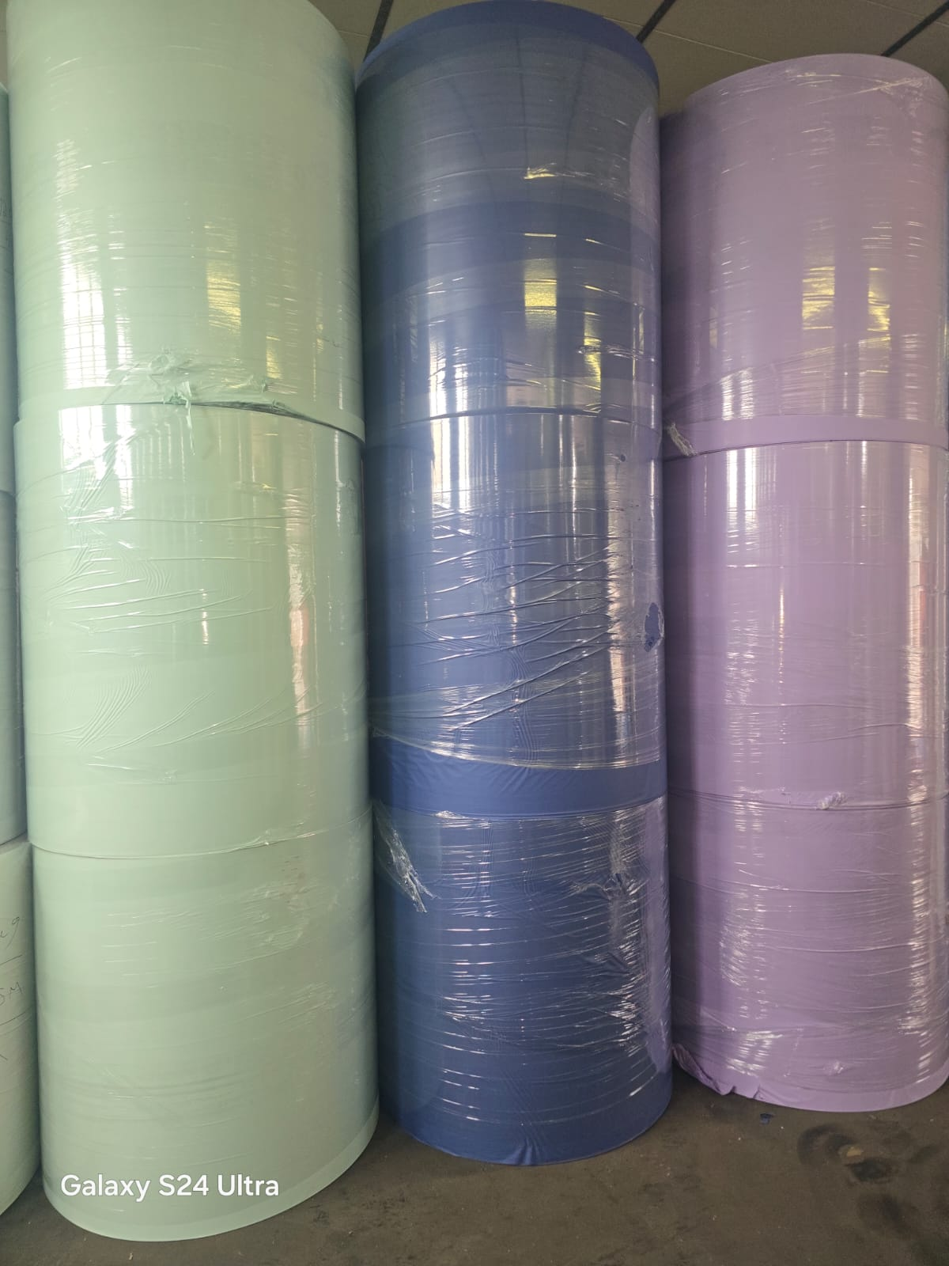
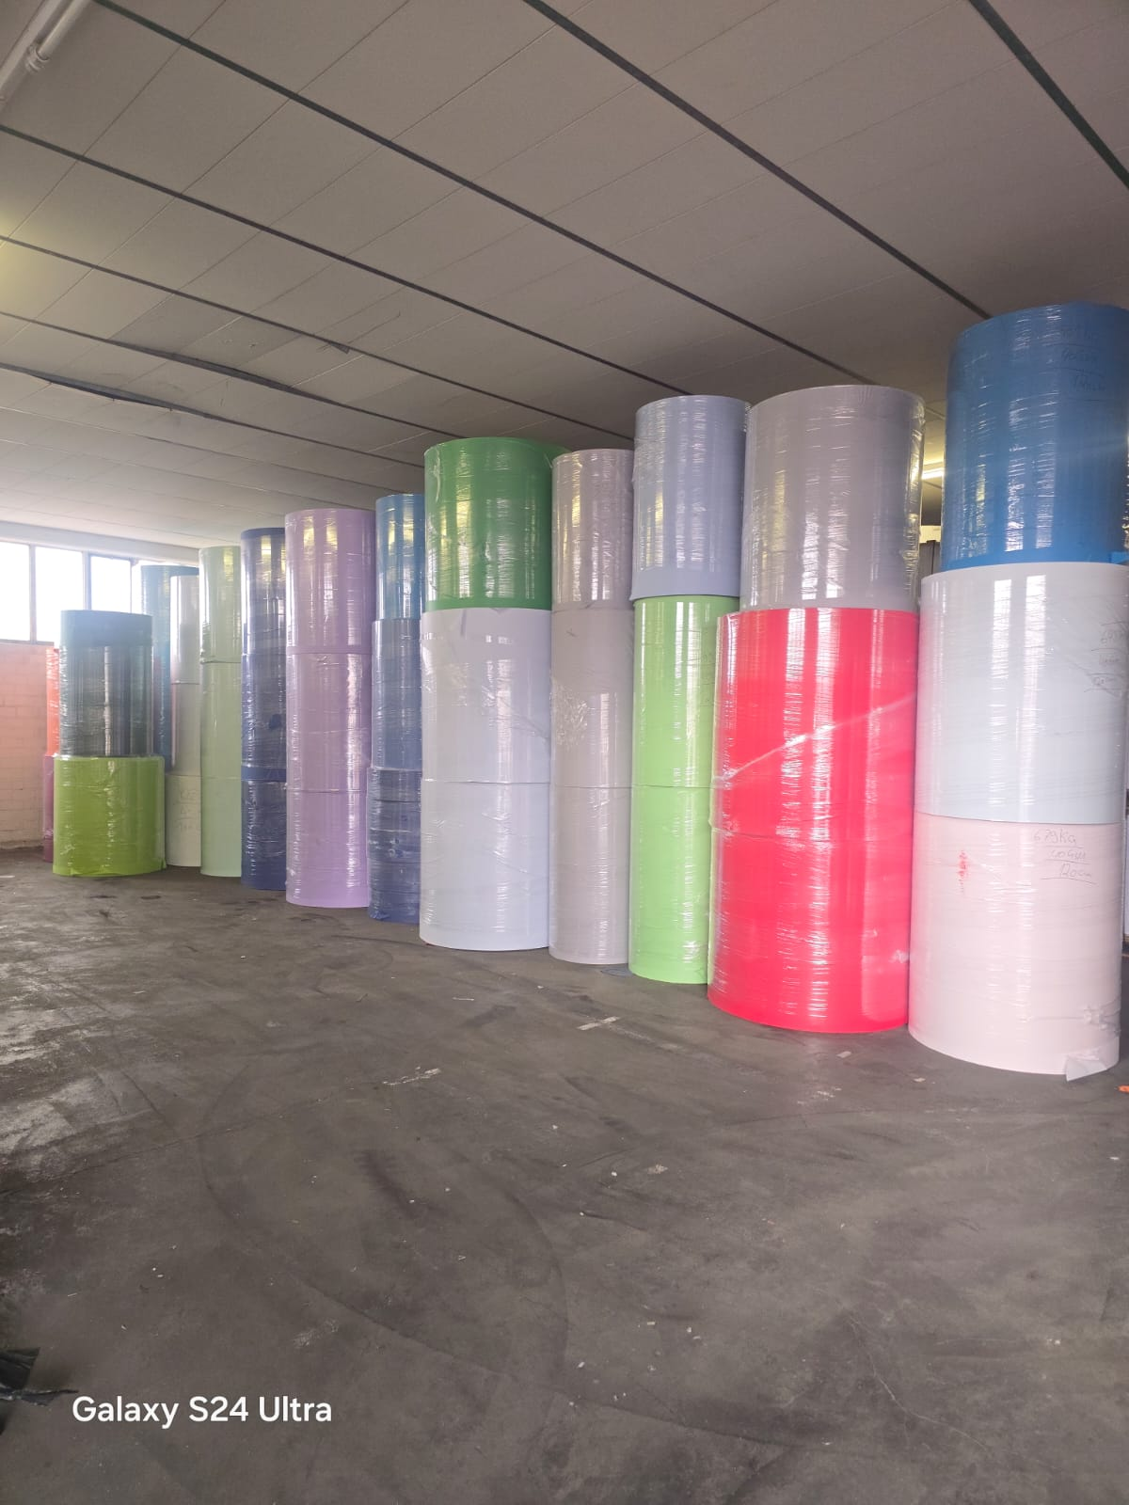
OFF-000164 Colored Kraft Paper | -
Date: 2026-07-02 Rows: 26
# | Item Name | GSM | Width | Qty | Pack Type | KG | Notes
1 | Colored Kraft Paper | 40 | 120 | 2 | Reel | 898 | Blue
2 | Colored Kraft Paper | 40 | 112 | 1 | Reel | 595 | Brown
3 | Colored Kraft Paper | 40 | 150 | 1 | Reel | 760 | Brown
4 | Colored Kraft Paper | 40 | 120 | 2 | Reel | 1,558 | Dark Blue
5 | Colored Kraft Paper | 40 | 103 | 1 | Reel | 667 | Dark Blue
6 | Colored Kraft Paper | 40 | 120 | 1 | Reel | 558 | Dark Blue
7 | Colored Kraft Paper | 40 | 100 | 1 | Reel | 460 | Dark Blue
8 | Colored Kraft Paper | 40 | 120 | 5 | Reel | 2,012 | Green
9 | Colored Kraft Paper | 40 | 120 | 3 | Reel | 1,354 | Grey
10 | Colored Kraft Paper | 40 | 105 | 1 | Reel | 312 | Grey
11 | Colored Kraft Paper | 40 | 120 | 5 | Reel | 3,490 | Light Blue
12 | Colored Kraft Paper | 40 | 110 | 2 | Reel | 1,405 | Light Blue
13 | Colored Kraft Paper | 40 | 120 | 1 | Reel | 703 | Light Green
14 | Colored Kraft Paper | 40 | 108 | 1 | Reel | 598 | Light Green
15 | Colored Kraft Paper | 40 | 120 | 1 | Reel | 732 | Light Green
16 | Colored Kraft Paper | 40 | 124 | 1 | Reel | 785 | Light Green
17 | Colored Kraft Paper | 40 | 55 | 3 | Reel | 754 | Light Green
18 | Colored Kraft Paper | 40 | 120 | 1 | Reel | 617 | Orange
19 | Colored Kraft Paper | 40 | 1,058 | 2 | Reel | 1,655 | Purble
20 | Colored Kraft Paper | 40 | 123 | 1 | Reel | 922 | Purble
21 | Colored Kraft Paper | 40 | 24 | 5 | Reel | 705 | Purble
22 | Colored Kraft Paper | 40 | 123 | 1 | Reel | 1,739 | Red
23 | Colored Kraft Paper | 40 | 120 | 1 | Reel | 673 | Red
24 | Colored Kraft Paper | 40 | 110 | 2 | Reel | 1,205 | White
25 | Colored Kraft Paper | 40 | 100 | 1 | Reel | 622 | White
26 | Colored Kraft Paper | 40 | 120 | 3 | Reel | 1,322 | White
TOTAL: 27.101,00 KG 49 pkgs (49 Reel)

📷 Images (6)
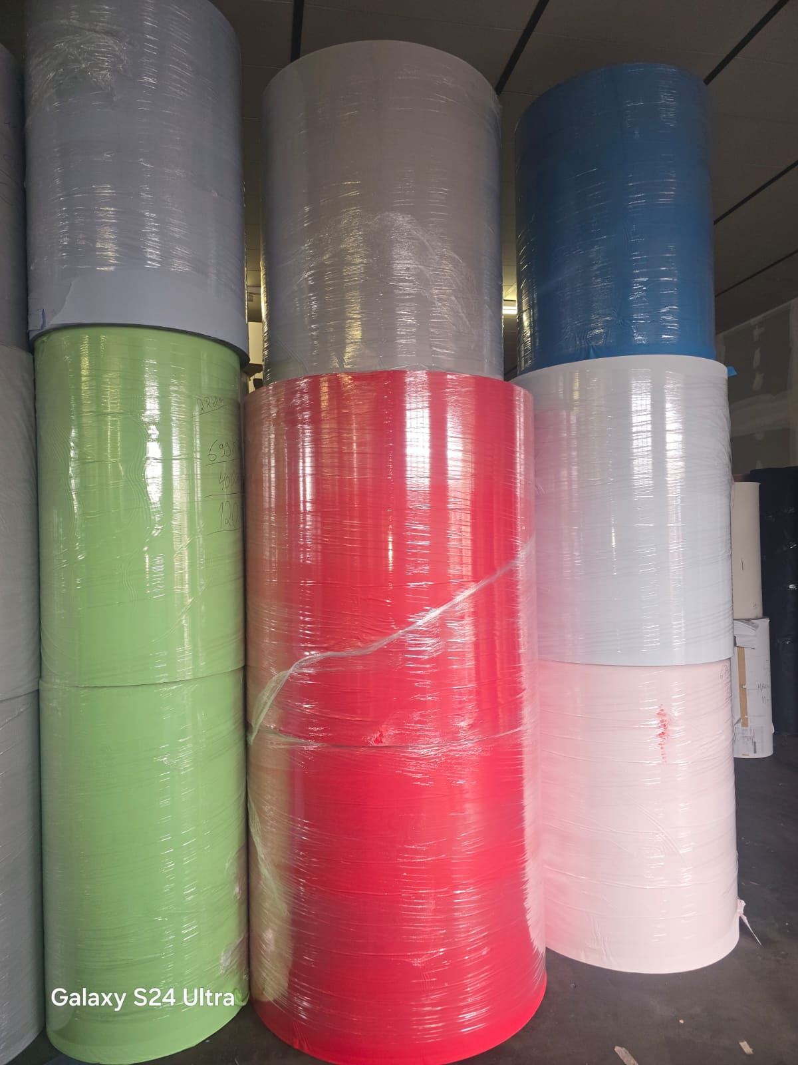
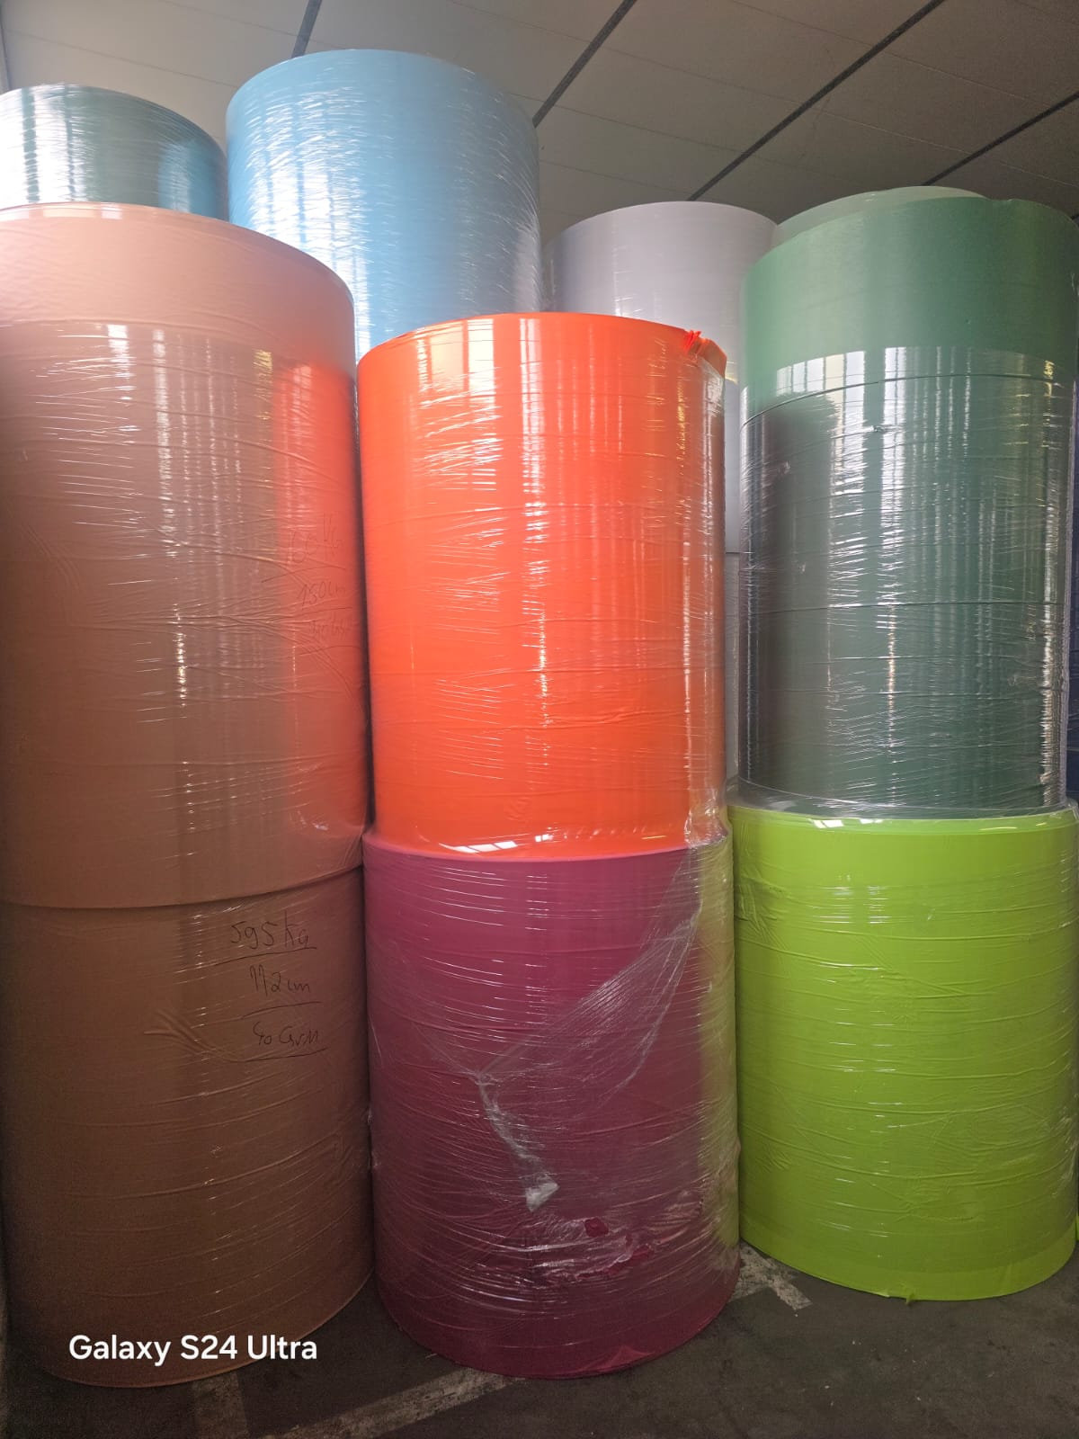
WhatsApp Image 2026-07-02 at 17.36.08 (1) | WhatsApp Image 2026-07-02 at 17.36.08 | WhatsApp Image 2026-07-02 at 17.36.09 (1) | WhatsApp Image 2026-07-02 at 17.36.09

WhatsApp Image 2026-07-02 at 17.36.10 | WhatsApp Image 2026-07-02 at 17.36.44

OFF-000141
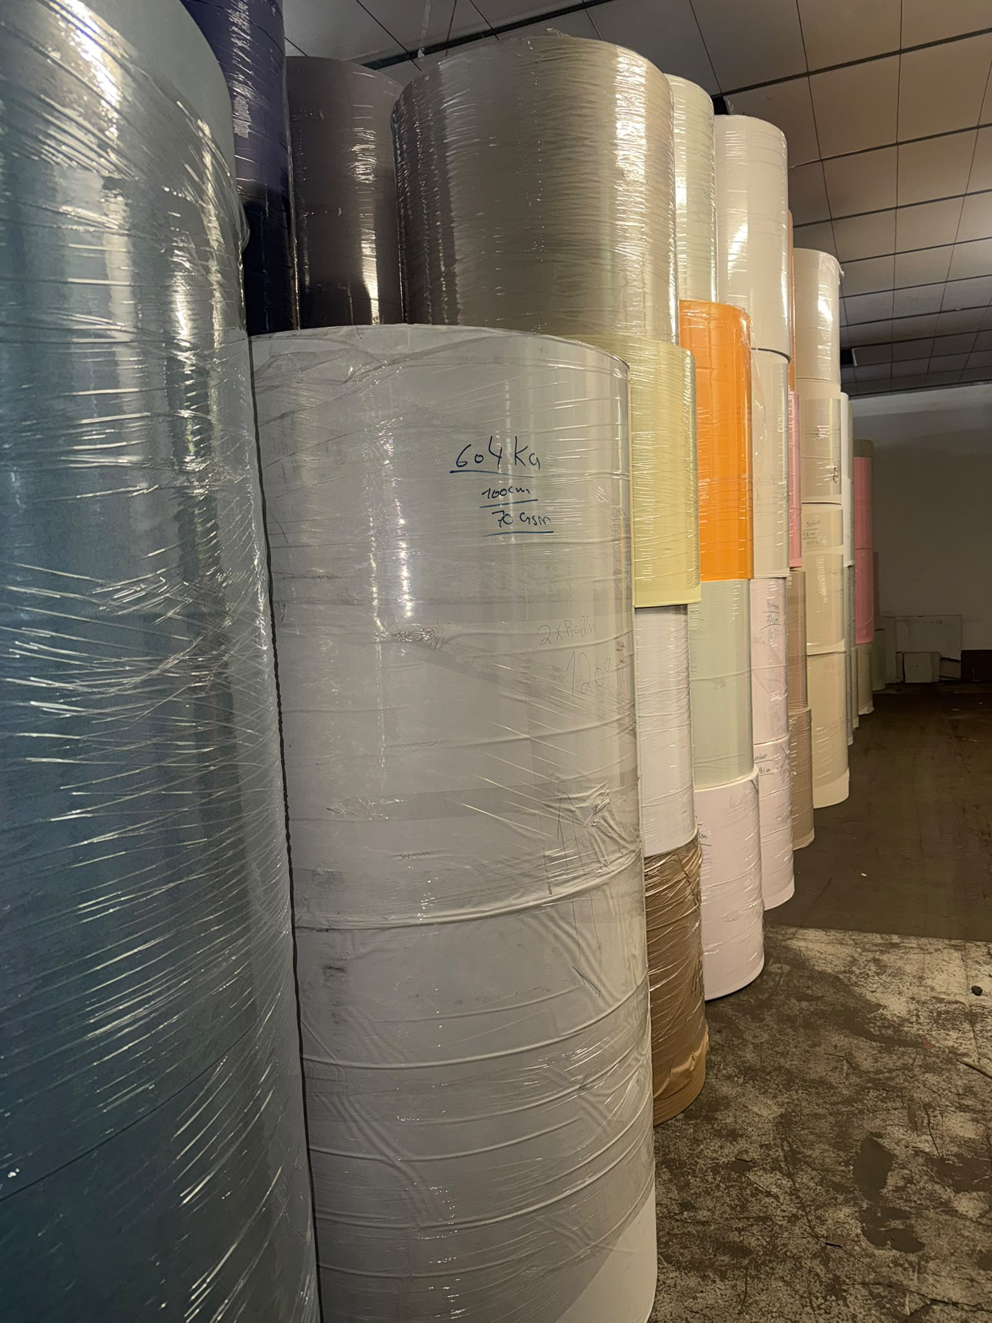
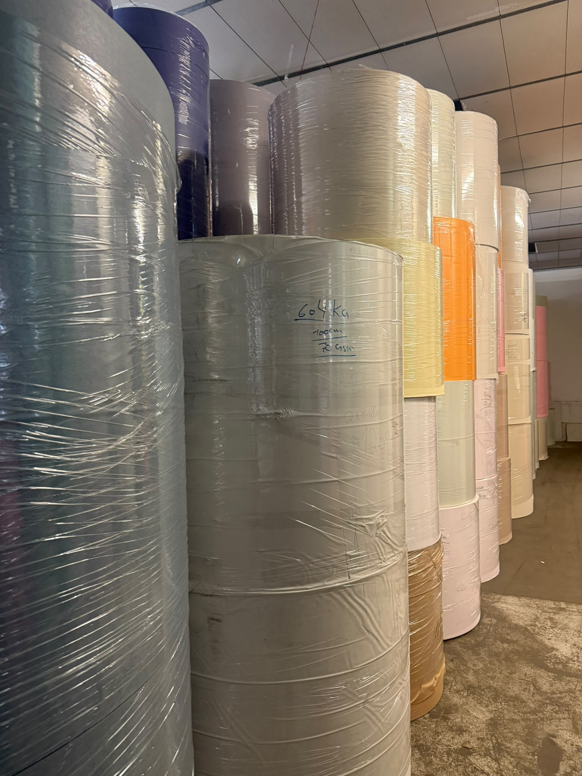
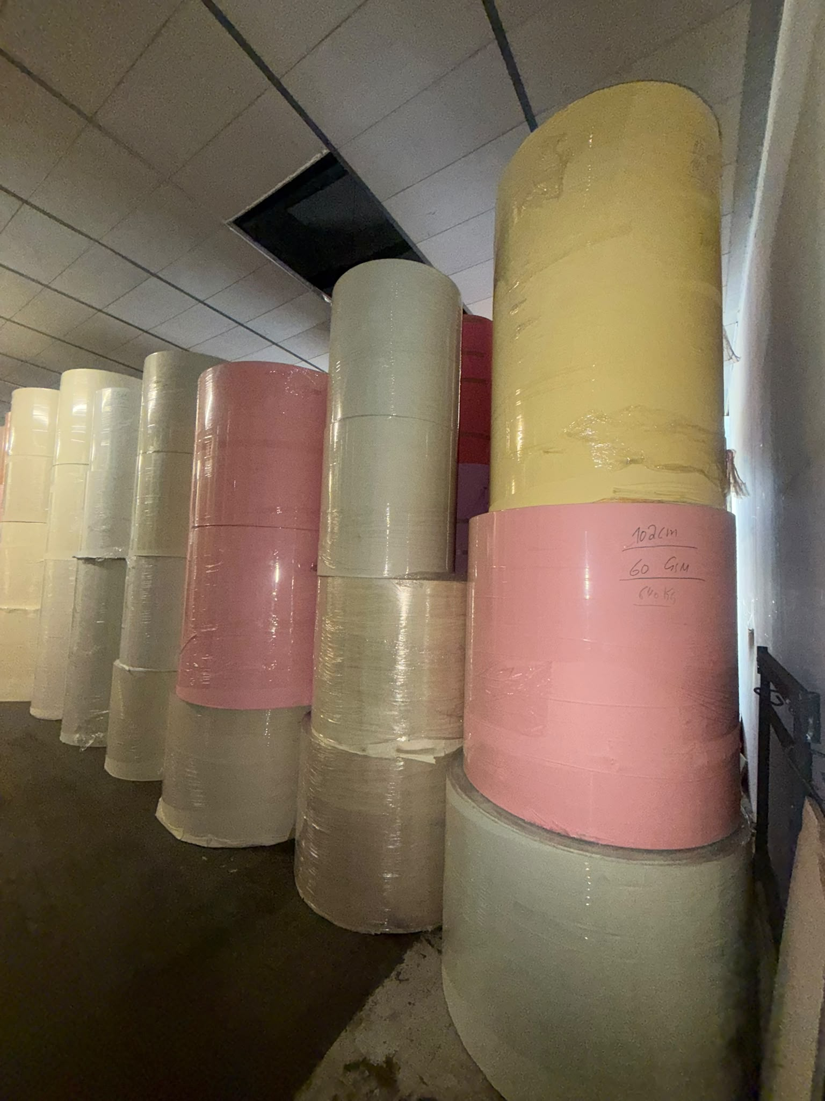
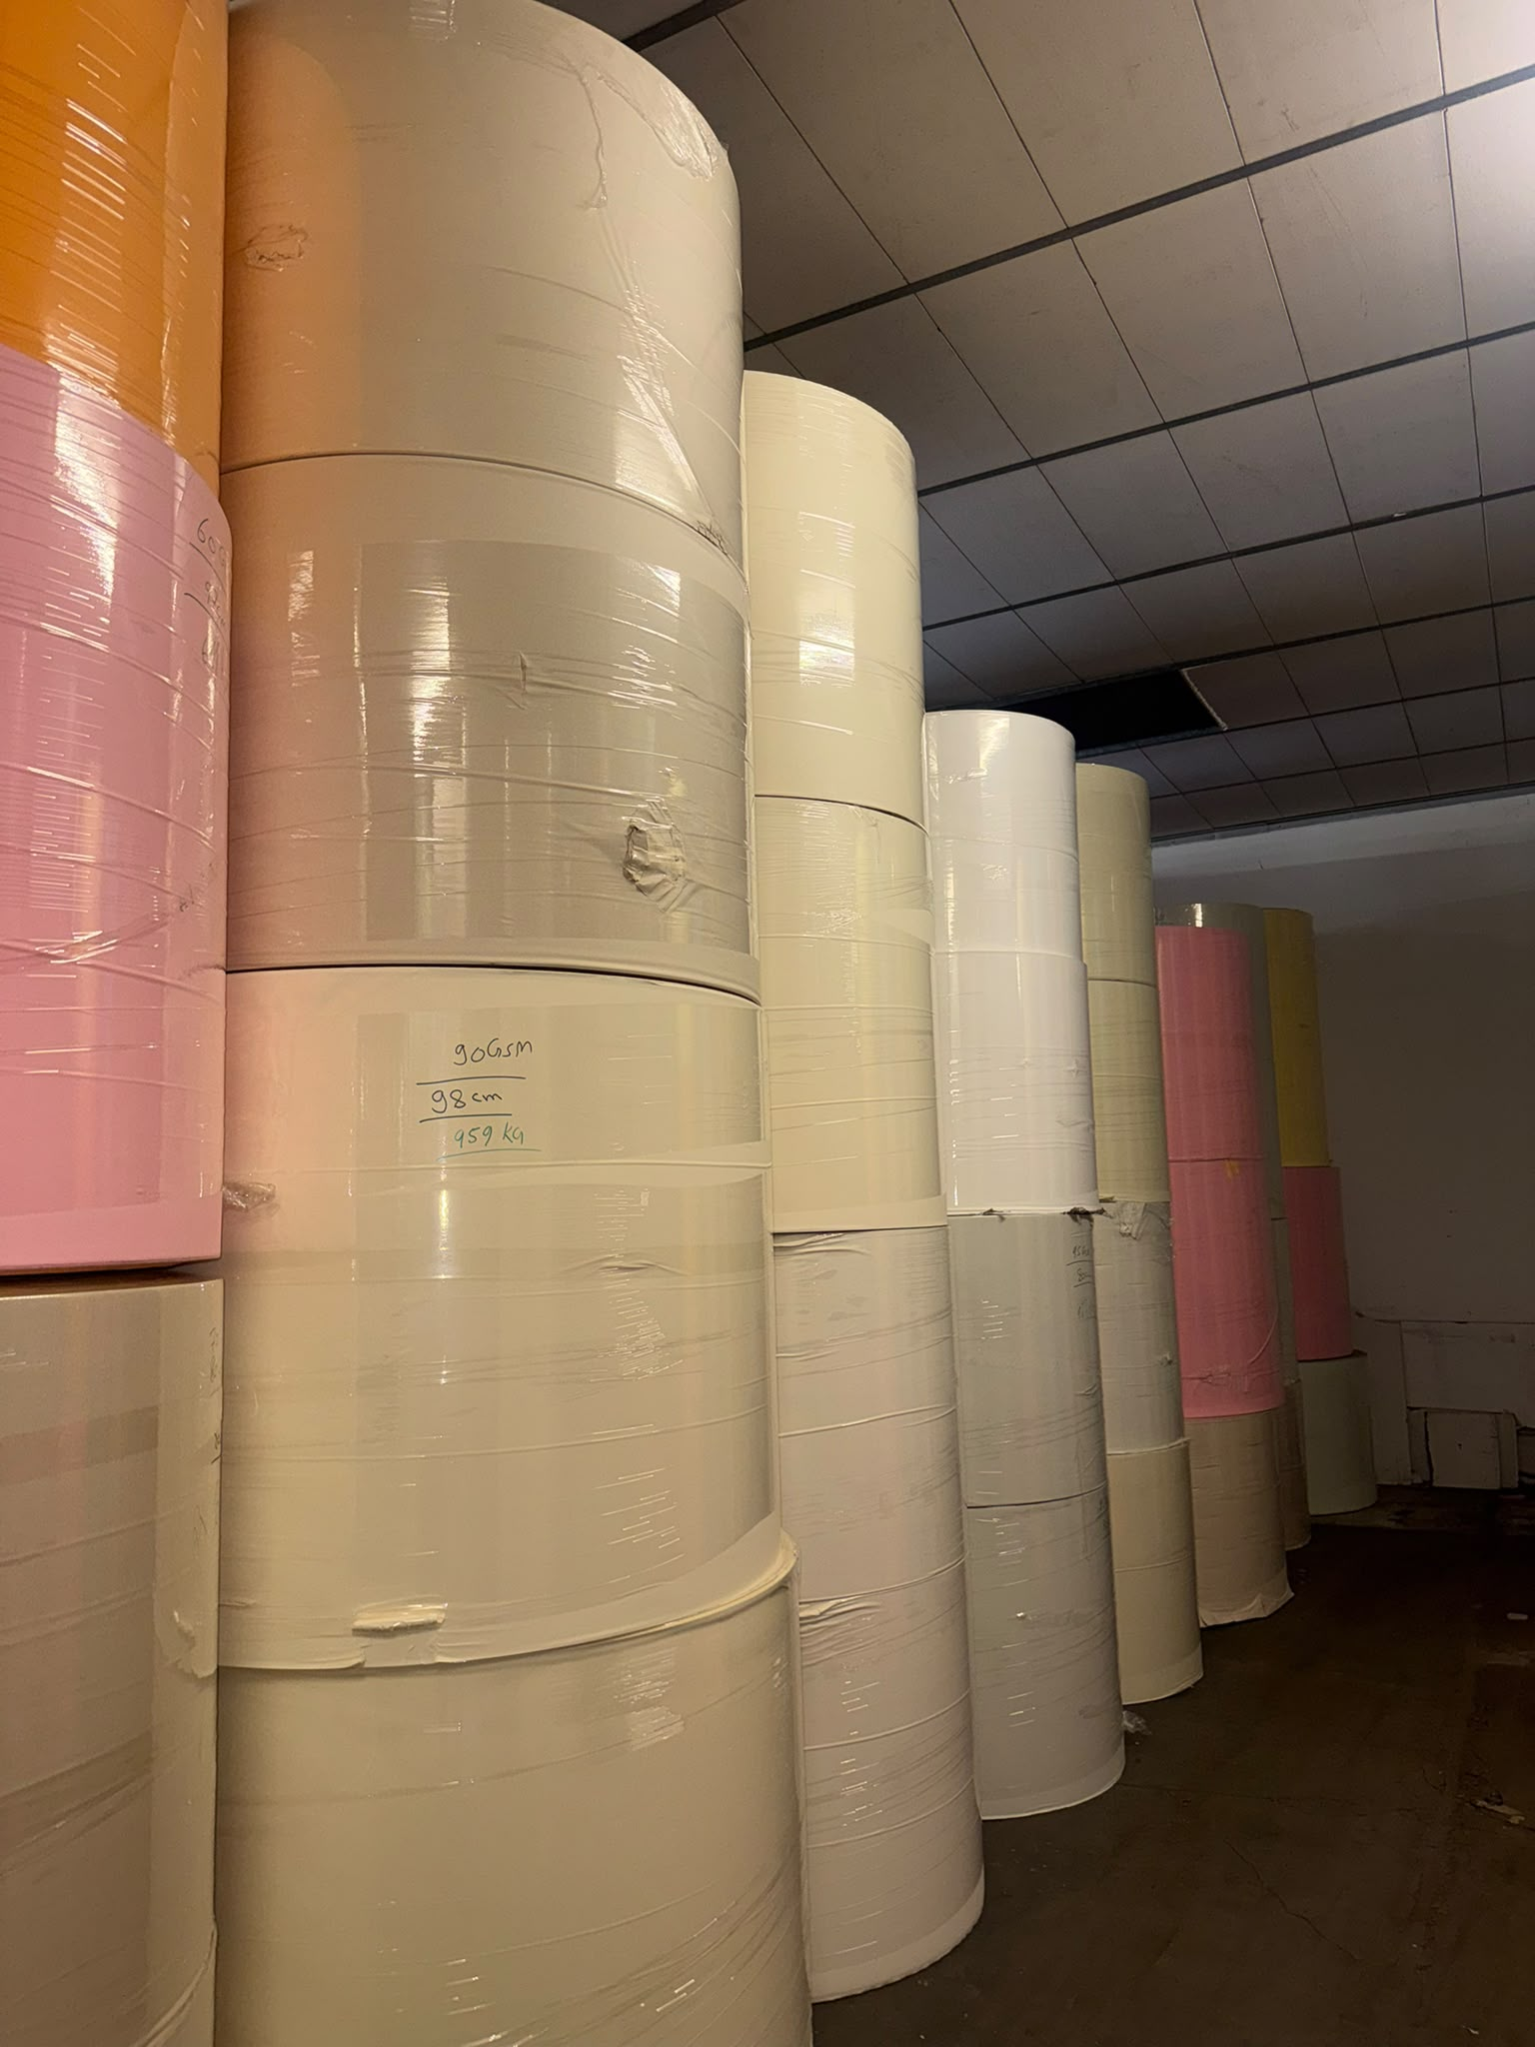
OFF-000141 Colored Kraft Paper | -
Date: 2026-06-08 Rows: 31
# | Item Name | Color | GSM | Width | Qty | Pack Type | KG | Diameter in CM
1 | Colored Kraft | Brown | 45 | 80 | 1 | Reel | 375 | 70-120
2 | Colored Kraft | White | 55 | 100 | 1 | Reel | 919 | 70-120
3 | Colored Kraft | PInk | 60 | 100 | 2 | Reel | 1,251 | 70-120
4 | Colored Kraft | White | 65 | 70 | 1 | Reel | 322 | 70-120
5 | Colored Kraft | Cream | 70 | 80 | 1 | Reel | 1,033 | 70-120
6 | Colored Kraft | White | 70 | 100 | 3 | Reel | 2,748 | 70-120
7 | Colored Kraft | Cream | 80 | 80 | 2 | Reel | 1,287 | 70-120
8 | Colored Kraft | Light Green | 80 | 77 | 1 | Reel | 552 | 70-120
9 | Colored Kraft | White | 80 | 80 | 3 | Reel | 1,931 | 70-120
10 | Colored Kraft | White | 80 | 100 | 2 | Reel | 1,583 | 70-120
11 | Colored Kraft | Yellow (Motard) | 80 | 77 | 1 | Reel | 806 | 70-120
12 | Colored Kraft | Orange | 80 | 146 | 1 | Reel | 1,166 | 70-120
13 | Colored Kraft | Light Red | 85 | 80 | 1 | Reel | 257 | 70-120
14 | Colored Kraft | Orange | 85 | 100 | 1 | Reel | 591 | 70-120
15 | Colored Kraft | White | 85 | 80 | 2 | Reel | 1,069 | 70-120
16 | Colored Kraft | Brown | 90 | 75 | 1 | Reel | 512 | 70-120
17 | Colored Kraft | Cream | 90 | 104 | 1 | Reel | 1,017 | 70-120
18 | Colored Kraft | Cream | 90 | 98 | 1 | Reel | 959 | 70-120
19 | Colored Kraft | Oragne | 90 | 100 | 1 | Reel | 598 | 70-120
20 | Colored Kraft | Pink | 90 | 100 | 2 | Reel | 1,704 | 70-120
21 | Colored Kraft | White | 90 | 77 | 2 | Reel | 506 | 70-120
22 | Colored Kraft | White | 90 | 85 | 1 | Reel | 422 | 70-120
23 | Colored Kraft | Yellow | 90 | 80 | 1 | Reel | 464 | 70-120
24 | Colored Kraft | Yellow (Motard) | 90 | 79 | 1 | Reel | 455 | 70-120
25 | Colored Kraft | Yellow (Motard) | 90 | 80 | 2 | Reel | 923 | 70-120
26 | Colored Kraft | Cream | 95 | 77 | 1 | Reel | 358 | 70-120
27 | Colored Kraft | Light Red | 95 | 76 | 1 | Reel | 460 | 70-120
28 | Colored Kraft | White | 95 | 80 | 2 | Reel | 964 | 70-120
29 | Colored Kraft | White | 125 | 75 | 1 | Reel | 322 | 70-120
30 | Colored Kraft | Yellow | 170 | 143 | 1 | Reel | 730 | 70-120
31 | Colored Kraft | Yellow (Motard) | 170 | 70 | 1 | Reel | 366 | 70-120
TOTAL: 26.650,00 KG 43 pkgs (43 Reel)

📷 Images (5)
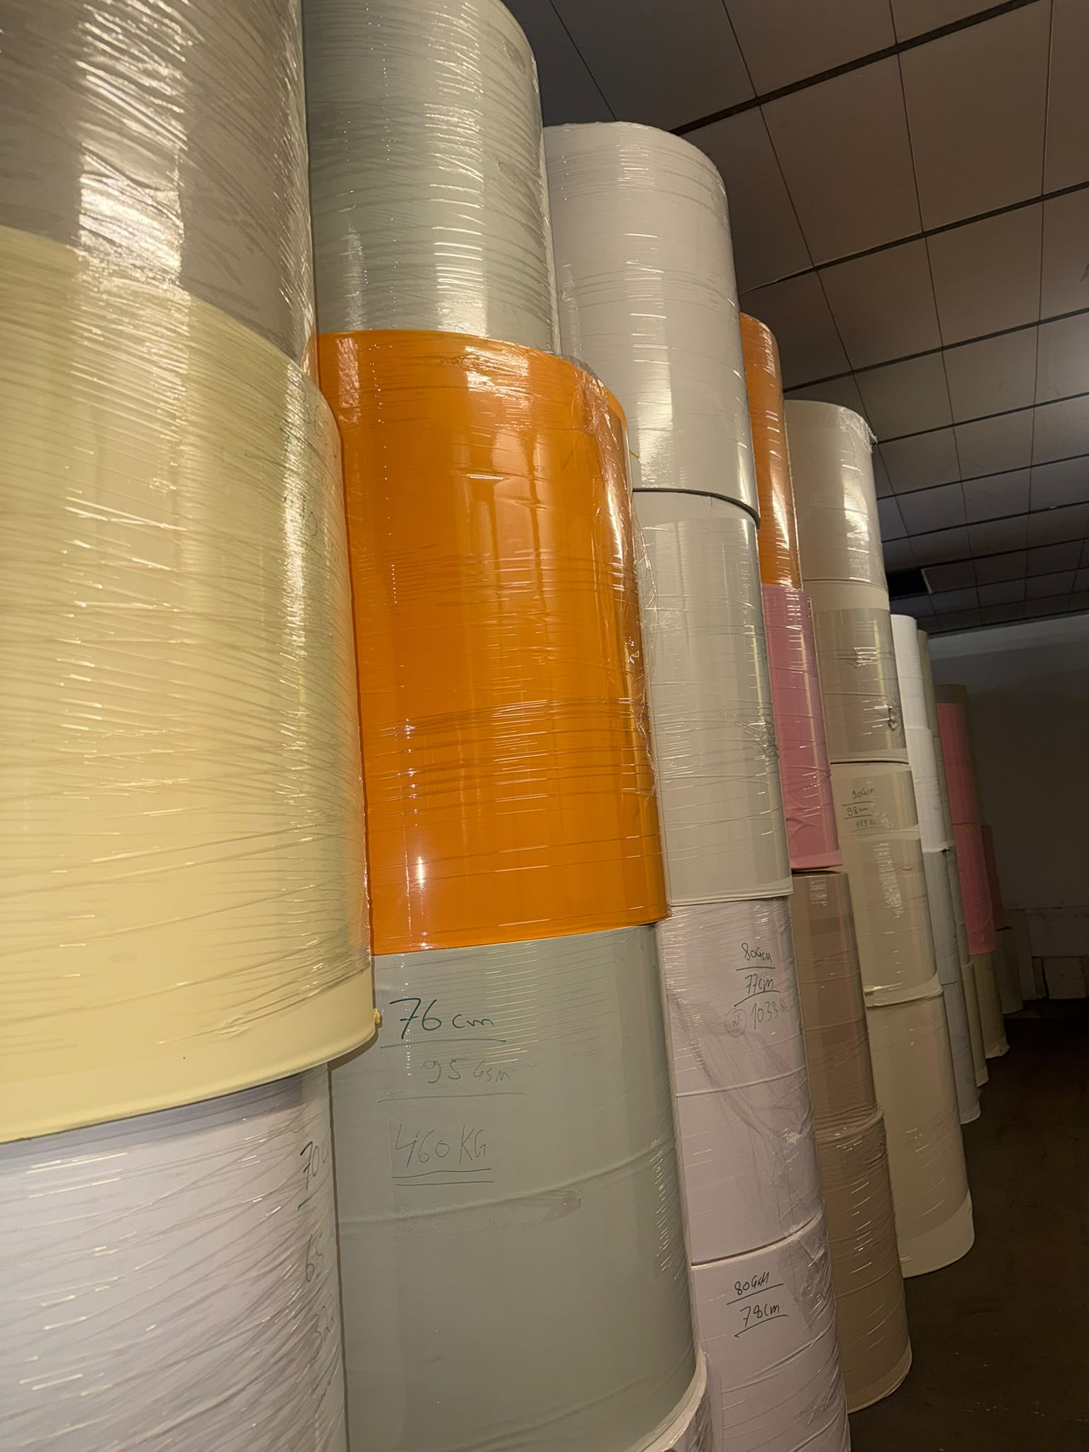
1 | 2 | 3 | 4

5

OFF-000134
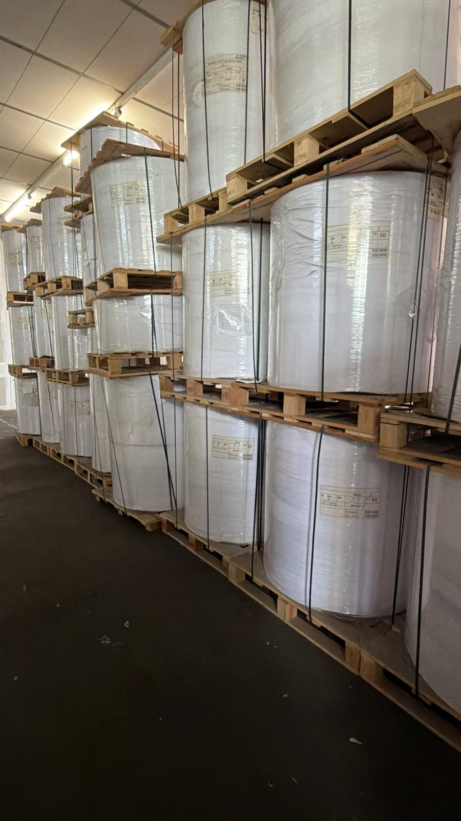
OFF-000134 Premium Bright White Woodfree Paper – Matt / Glossy | -
Date: 2026-06-03 Rows: 32
# | Item Name | GSM | Width | Qty | Pack Type | KG | Notes
1 | Mixed virgin pulp paper (White ) | 63 | 88 | 1 | Reel | 693 | Double Side Matt
2 | Mixed virgin pulp paper (White ) | 70 | 102 | 4 | Reel | 2,031 | Double Side Matt
3 | Mixed virgin pulp paper (White ) | 70 | 90 | 12 | Reel | 6,165 | Double Side Matt
4 | Mixed virgin pulp paper (White ) | 80 | 136 | 1 | Reel | 747 | Double Side Matt
5 | Mixed virgin pulp paper (White ) | 85 | 21 | 1 | Reel | 133 | Double Side Matt
6 | Mixed virgin pulp paper (White ) | 85 | 61 | 1 | Reel | 149 | One Side Glossy
7 | Mixed virgin pulp paper (White ) | 85 | 106 | 1 | Reel | 314 | One Side Glossy
8 | Mixed virgin pulp paper (White ) | 90 | 105 | 4 | Reel | 2,321 | Double Side Matt
9 | Mixed virgin pulp paper (White ) | 90 | 95 | 2 | Reel | 1,146 | Double Side Matt
10 | Mixed virgin pulp paper (White ) | 90 | 91 | 1 | Reel | 459 | Double Side Matt
11 | Mixed virgin pulp paper (White ) | 90 | 127 | 1 | Reel | 766 | Double Side Matt
12 | Mixed virgin pulp paper (White ) | 90 | 155 | 1 | Reel | 828 | Double Side Matt
13 | Mixed virgin pulp paper (White ) | 90 | 140 | 1 | Reel | 779 | Double Side Matt
14 | Mixed virgin pulp paper (White ) | 90 | 30 | 1 | Reel | 291 | Double Side Matt
15 | Mixed virgin pulp paper (White ) | 100 | 21 | 1 | Reel | 284 | Double Side Matt
16 | Mixed virgin pulp paper (White ) | 100 | 40 | 1 | Reel | 516 | Double Side Matt
17 | Mixed virgin pulp paper (White ) | 100 | 95 | 2 | Reel | 983 | Double Side Matt
18 | Mixed virgin pulp paper (White ) | 100 | 57 | 1 | Reel | 736 | Double Side Matt
19 | Mixed virgin pulp paper (White ) | 100 | 153 | 1 | Reel | 728 | Double Side Matt
20 | Mixed virgin pulp paper (White ) | 100 | 57 | 1 | Reel | 719 | Double Side Matt
21 | Mixed virgin pulp paper (White ) | 100 | 70 | 1 | Reel | 595 | Double Side Matt
22 | Mixed virgin pulp paper (White ) | 100 | 93 | 1 | Reel | 419 | One Side Glossy
23 | Mixed virgin pulp paper (White ) | 100 | 93 | 1 | Reel | 420 | One Side Glossy
24 | Mixed virgin pulp paper (White ) | 100 | 87 | 1 | Reel | 570 | One Side Glossy
25 | Mixed virgin pulp paper (White ) | 100 | 106 | 1 | Reel | 678 | One Side Glossy
26 | Mixed virgin pulp paper (White ) | 100 | 44 | 1 | Reel | 298 | One Side Glossy
27 | Mixed virgin pulp paper (White ) | 110 | 108 | 1 | Reel | 710 | Double Side Matt
28 | Mixed virgin pulp paper (White ) | 140 | 90 | 1 | Reel | 570 | Double Side Matt
29 | Mixed virgin pulp paper (White ) | 80 | 125 | 4 | Reel | 3,400
30 | Mixed virgin pulp paper (Yellow) | 70 | 125 | 4 | Reel | 2,900
31 | Mixed virgin pulp paper (White ) | 60 | 120 | 1 | Reel | 1,181
32 | Mixed virgin pulp paper (White ) | 90 | 116 | 1 | Reel | 1,160
TOTAL: 33.689,00 KG 57 pkgs (57 Reel)

📷 Images (2)
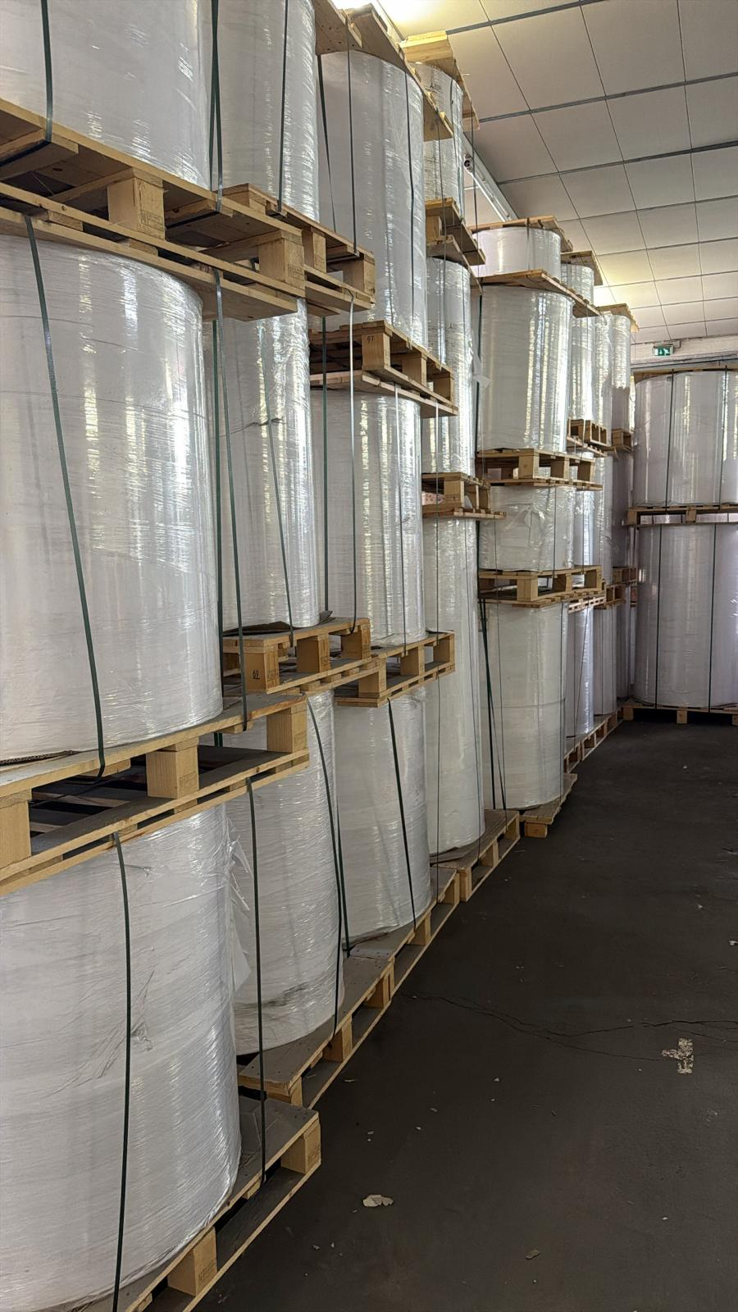
1 | 2

OFF-000075
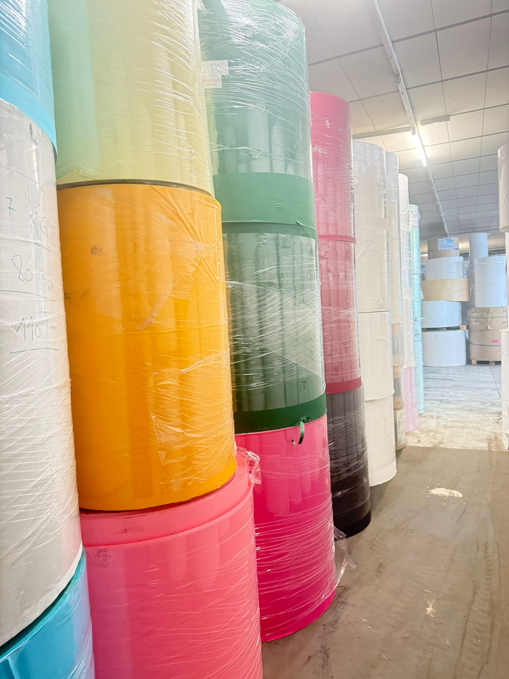
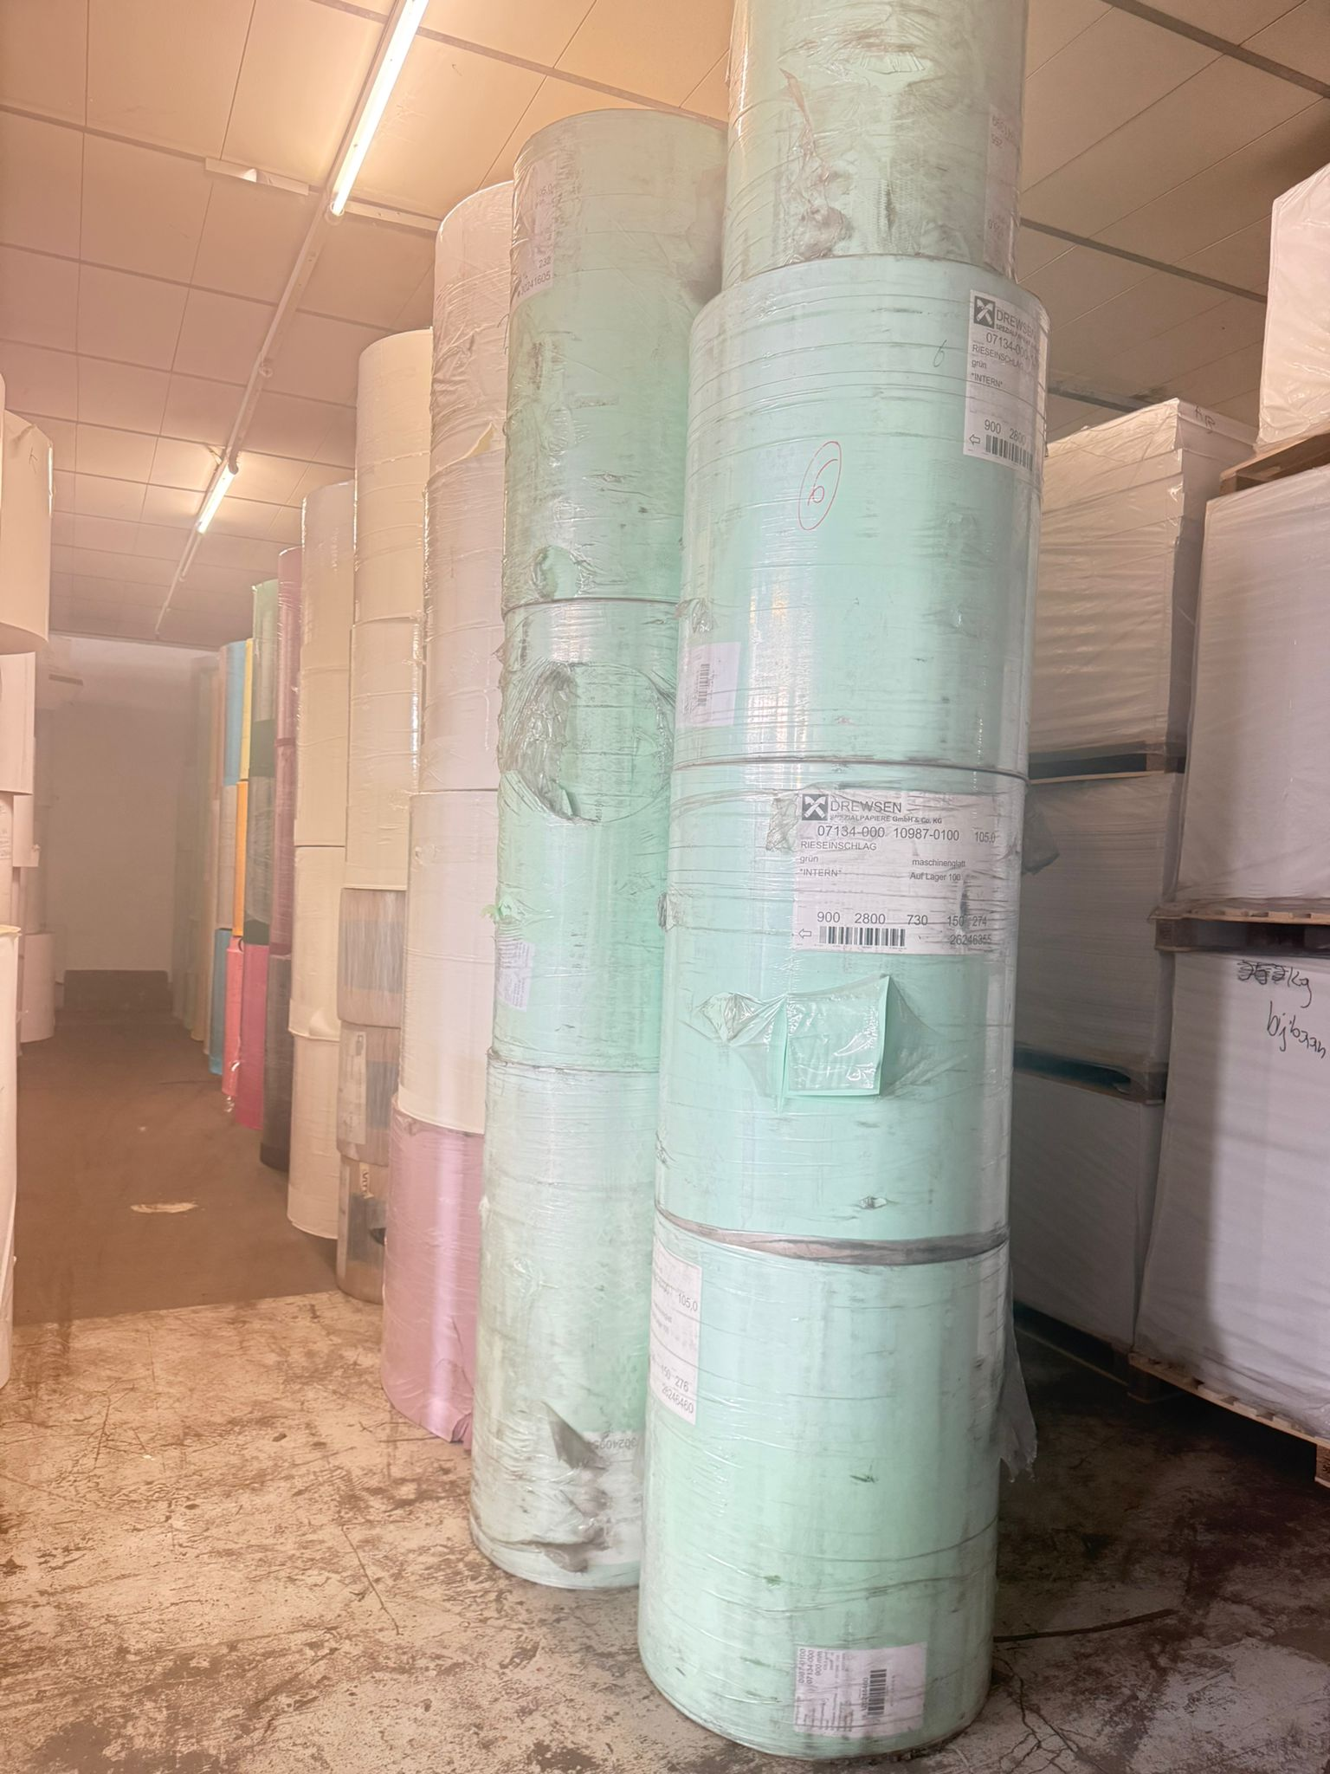
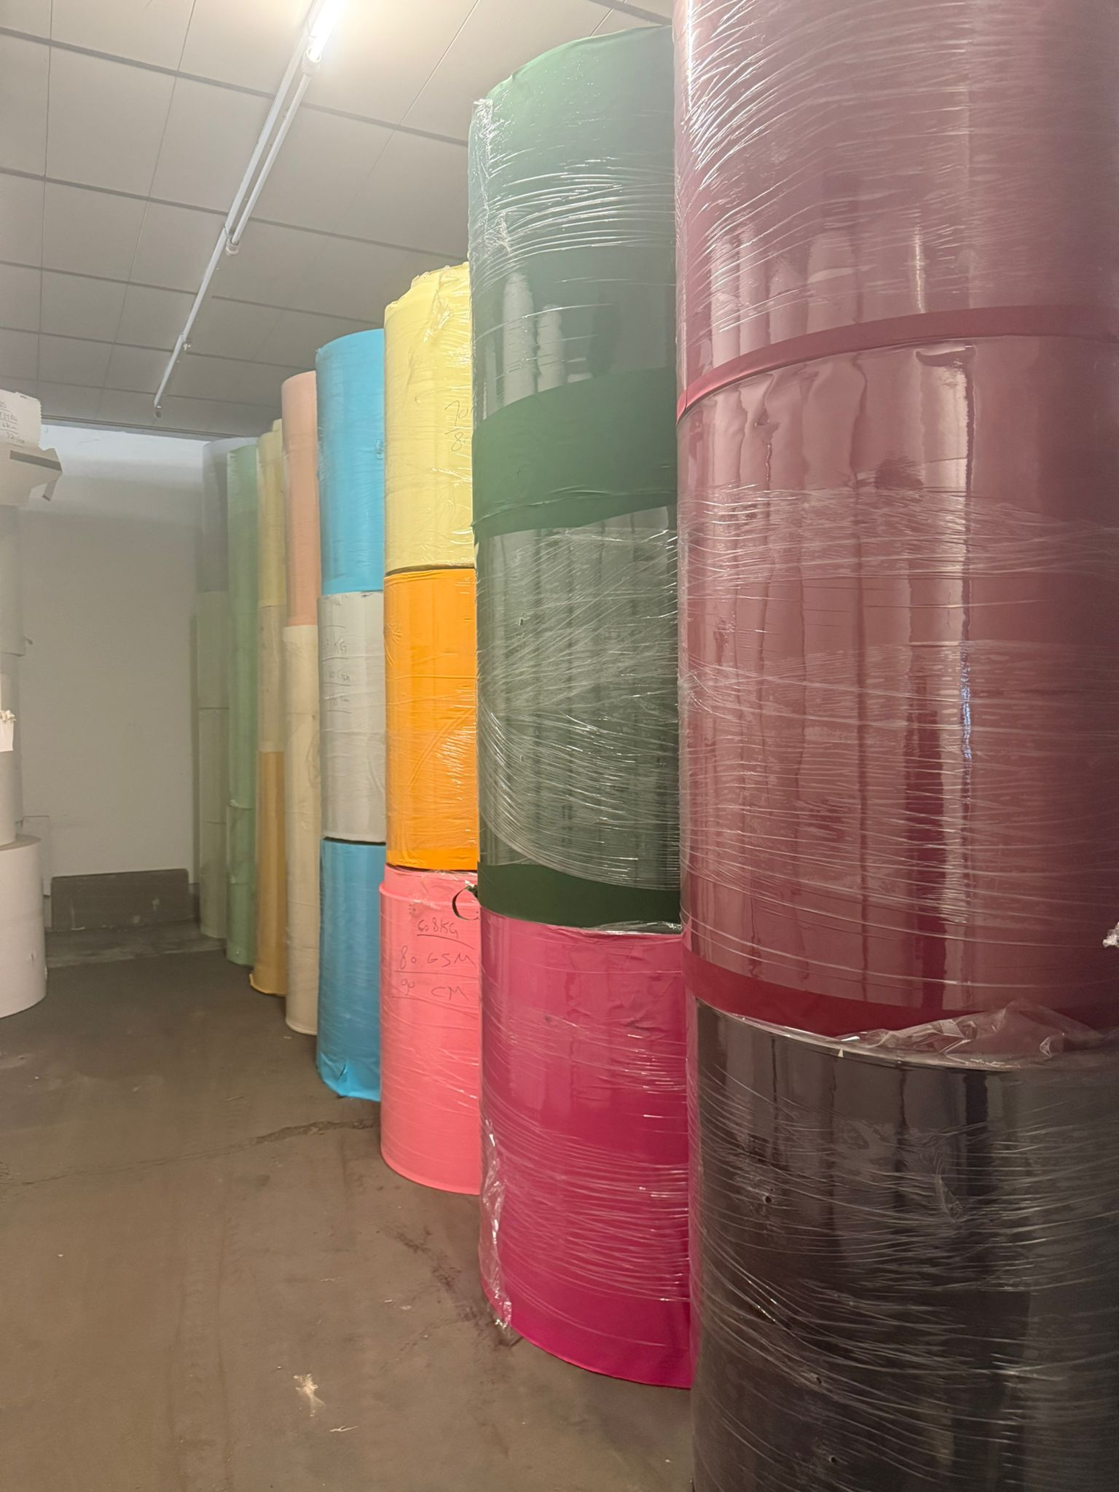
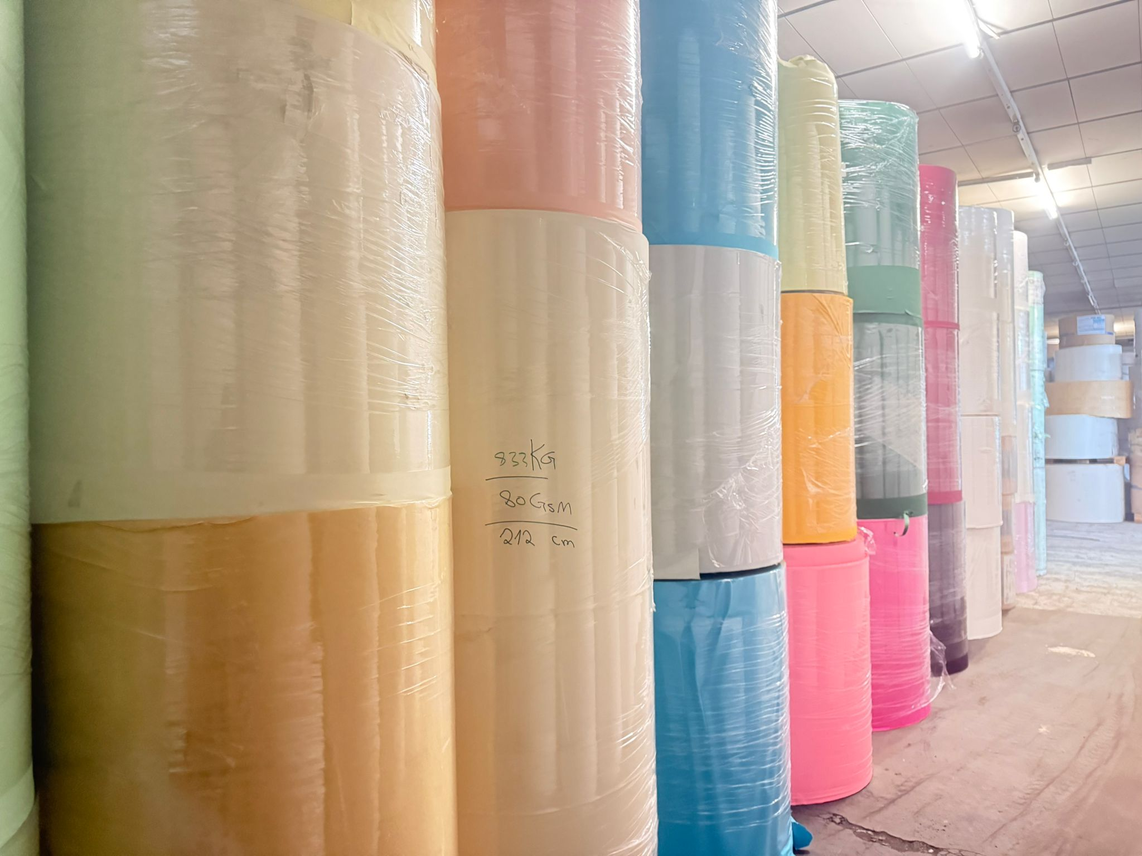
OFF-000075 Colored Woodfree Paper - *some colored rolls have slight color variation | -
Date: 2026-04-17 Rows: 32
# | Item Name | Color | GSM | Width | Qty | Pack Type | KG
1 | Colored Woodfree Paper | Grey | 80 | 110 | 1 | Reel | 637
2 | Colored Woodfree Paper | Light Green | 80 | 85 | 2 | Reel | 1,421
3 | Colored Woodfree Paper | Light Green | 80 | 68 | 1 | Reel | 713
4 | Colored Woodfree Paper | Light Green | 80 | 130 | 1 | Reel | 548
5 | Colored Woodfree Paper | Lila | 80 | 110 | 1 | Reel | 645
6 | Colored Woodfree Paper | Off White | 80 | 212 | 1 | Reel | 833
7 | Colored Woodfree Paper | Orange | 80 | 110 | 1 | Reel | 348
8 | Colored Woodfree Paper | Pink | 80 | 130 | 1 | Reel | 547
9 | Colored Woodfree Paper | Pink | 80 | 90 | 1 | Reel | 608
10 | Colored Woodfree Paper | Pink | 80 | 85 | 2 | Reel | 1,028
11 | Colored Woodfree Paper | Yellow | 80 | 100 | 2 | Reel | 637
12 | Colored Woodfree Paper | Green | 100 | 76 | 3 | Reel | 715
13 | Colored Woodfree Paper | Green | 100 | 90 | 3 | Reel | 824
14 | Colored Woodfree Paper | Green | 100 | 76 | 1 | Reel | 255
15 | Colored Woodfree Paper | White | 100 | 48 | 3 | Reel | 2,456
16 | Colored Woodfree Paper | White | 100 | 76 | 3 | Reel | 713
17 | Colored Woodfree Paper | Light Green | 105 | 85 | 1 | Reel | 550
18 | Colored Woodfree Paper | Yellow | 115 | 86 | 1 | Reel | 427
19 | Colored Woodfree Paper | White | 120 | 102 | 1 | Reel | 971
20 | Colored Woodfree Paper | White | 120 | 75 | 3 | Reel | 507
21 | Colored Woodfree Paper | Dark Brown | 125 | 110 | 1 | Reel | 745
22 | Colored Woodfree Paper | Light Green | 125 | 105 | 1 | Reel | 566
23 | Colored Woodfree Paper | White | 125 | 86 | 4 | Reel | 3,346
24 | Colored Woodfree Paper | Blue | 150 | 107 | 1 | Reel | 673
25 | Colored Woodfree Paper | Light Blue | 155 | 110 | 1 | Reel | 667
26 | Colored Woodfree Paper | Green | 160 | 112 | 1 | Reel | 721
27 | Colored Woodfree Paper | Yellow | 160 | 145 | 1 | Reel | 496
28 | Colored Woodfree Paper | Yellow | 160 | 112 | 1 | Reel | 742
29 | Colored Woodfree Paper | Dark Red | 165 | 105 | 1 | Reel | 571
30 | Colored Woodfree Paper | Dark Red | 165 | 105 | 1 | Reel | 522
31 | Colored Woodfree Paper | Black | 170 | 50 | 3 | Reel | 482
32 | Colored Woodfree Paper | Pink | 170 | 110 | 1 | Reel | 970
TOTAL: 25.884,00 KG 50 pkgs (50 Reel)

📷 Images (6)
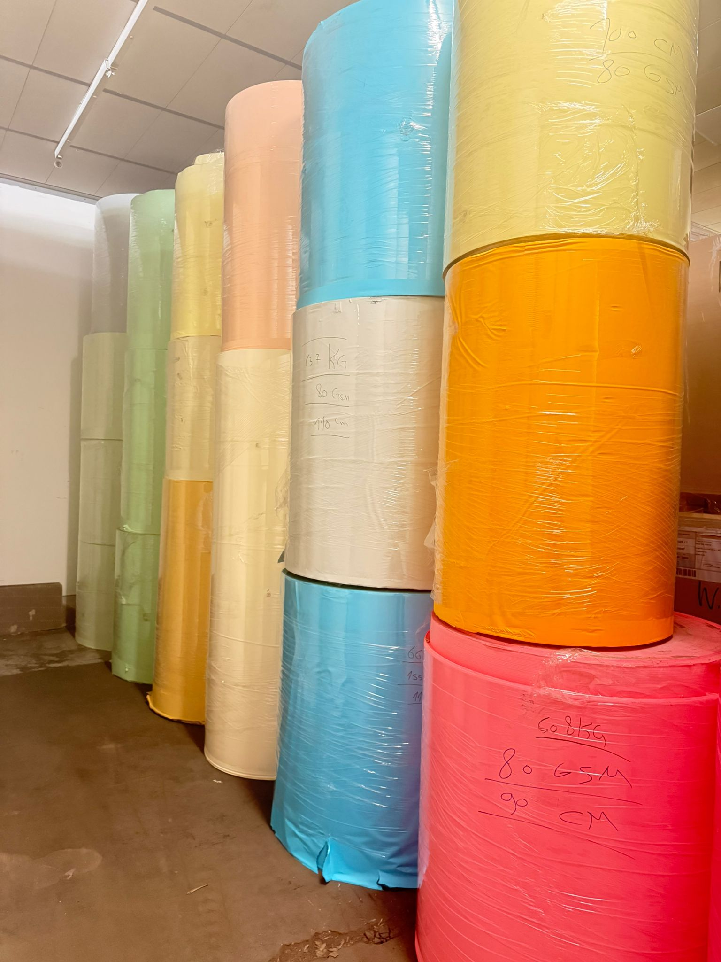
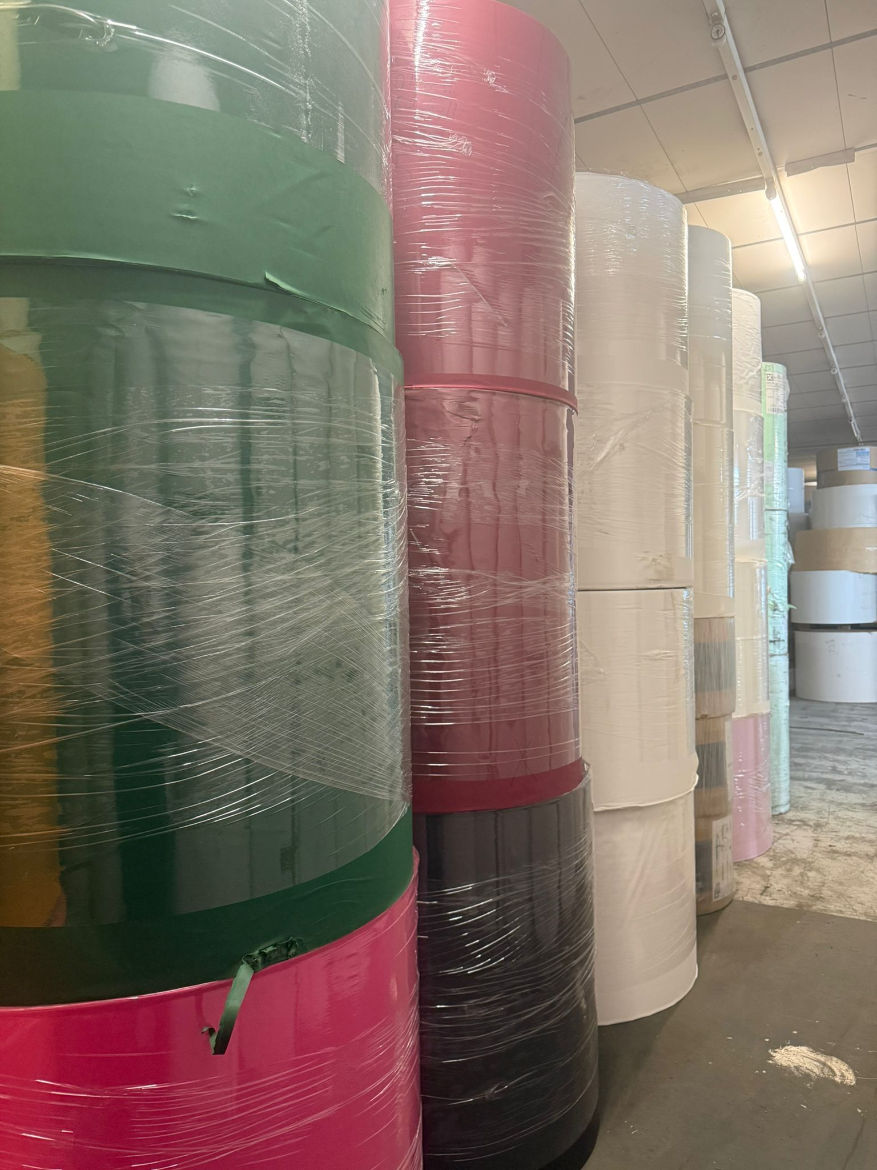
WhatsApp Image 2026-04-17 at 17.39.28 | WhatsApp Image 2026-04-17 at 17.33.44 (1) | WhatsApp Image 2026-04-17 at 17.33.44 (2) | WhatsApp Image 2026-04-17 at 17.33.44 (3)

WhatsApp Image 2026-04-17 at 17.33.44 (4) | WhatsApp Image 2026-04-17 at 17.33.44

OFF-000055
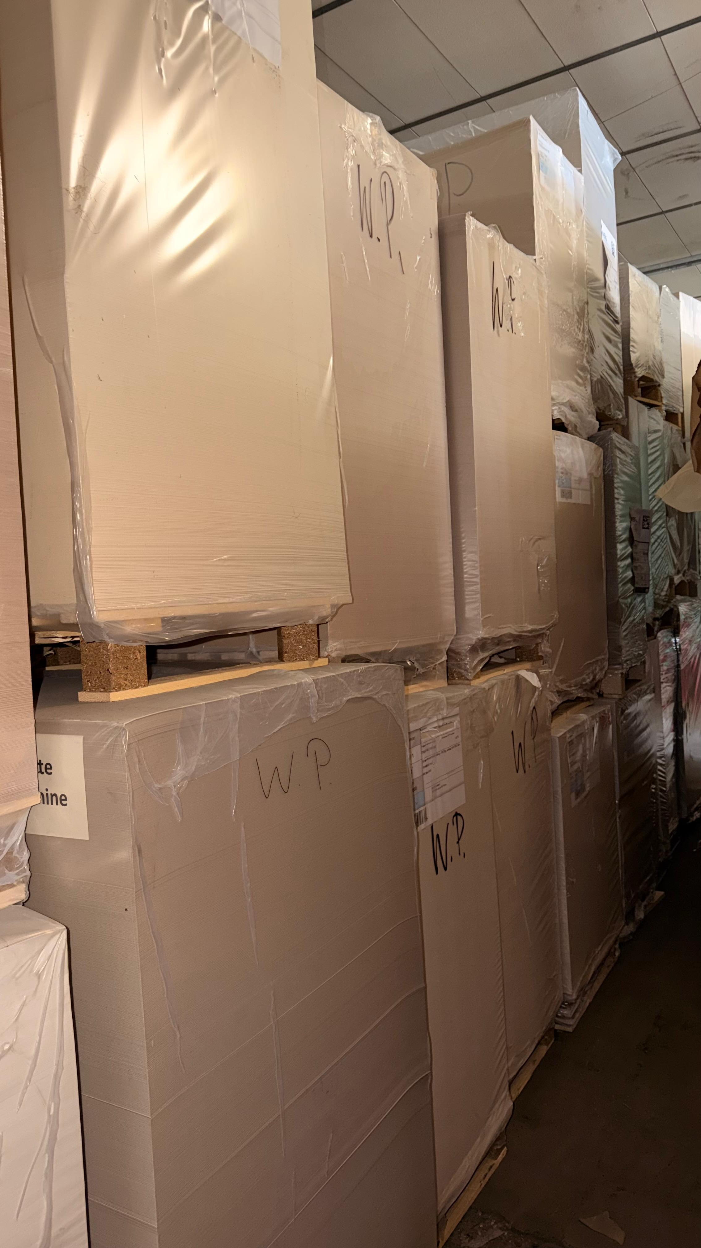
OFF-000055 Duplex + GC1 -Coated Gloss in Sheets | -
Date: 2026-03-31 Rows: 36
# | GSM | Width | Length | KG | Qty | Pack Type | Item Name | Notes
1 | 200 | 46 | 69 | 443 | 1 | Pallet | GC1 | 2 Side White
2 | 210 | 74 | 108 | 582 | 1 | Pallet | GC1 | 2 Side White
3 | 230 | 50 | 85 | 346 | 1 | Pallet | GC1 | 2 Side White
4 | 270 | 129 | 93 | 920 | 1 | Pallet | GC1 | 2 Side White
5 | 295 | 72 | 103 | 1,562 | 3 | Pallet | GC1 | 2 Side White
6 | 300 | 75 | 60 | 250 | 1 | Pallet | GC1 | 2 Side White
7 | 300 | 63 | 100 | 520 | 1 | Pallet | GC1 | 2 Side White
8 | 300 | 64 | 30 | 650 | 1 | Pallet | Duplex | 1 Side white , 1 Side Grey
9 | 300 | 62 | 96 | 266 | 1 | Pallet | Duplex | 1 Side white , 1 Side Grey
10 | 300 | 63 | 93 | 354 | 1 | Pallet | Duplex | 1 Side white , 1 Side Grey
11 | 300 | 92 | 45 | 301 | 2 | Pallet | GC1 | 2 Side White
12 | 310 | 63 | 100 | 1,048 | 3 | Pallet | GC1 | 2 Side White
13 | 315 | 59 | 74 | 758 | 4 | Pallet | GC1 | 2 Side White
14 | 320 | 55 | 86 | 1,966 | 4 | Pallet | Duplex | 1 Side white , 1 Side Grey
15 | 320 | 75 | 45 | 190 | 1 | Pallet | Duplex | 1 Side white , 1 Side Grey
16 | 350 | 102 | 66 | 222 | 1 | Pallet | Duplex | 1 Side white , 1 Side Grey
17 | 350 | 111 | 82 | 554 | 1 | Pallet | Duplex | 1 Side white , 1 Side Grey
18 | 350 | 88 | 70 | 438 | 1 | Pallet | GC1 | 2 Side White
19 | 350 | 92 | 60 | 431 | 1 | Pallet | Duplex | 1 Side white , 1 Side Grey
20 | 375 | 92 | 45 | 1,213 | 3 | Pallet | GC1 | 2 Side White
21 | 380 | 60 | 92 | 1,290 | 3 | Pallet | Duplex | 1 Side white , 1 Side Grey
22 | 385 | 84 | 60 | 466 | 1 | Pallet | Duplex | 1 Side white , 1 Side Grey
23 | 395 | 83 | 73 | 453 | 1 | Pallet | GC1 | 2 Side White
24 | 395 | 46 | 72 | 562 | 1 | Pallet | GC1 | 2 Side White
25 | 400 | 84 | 60 | 168 | 1 | Pallet | Duplex | 1 Side white , 1 Side Grey
26 | 400 | 99 | 65 | 518 | 1 | Pallet | Duplex | 1 Side white , 1 Side Grey
27 | 420 | 83 | 106 | 930 | 1 | Pallet | Duplex | 1 Side white , 1 Side Grey
28 | 440 | 82 | 243 | 921 | 1 | Pallet | Duplex | 1 Side white , 1 Side Grey
29 | 440 | 111 | 82 | 955 | 1 | Pallet | GC1 | 2 Side White
30 | 450 | 50 | 92 | 501 | 1 | Pallet | Duplex | 1 Side white , 1 Side Grey
31 | 450 | 67 | 74 | 357 | 1 | Pallet | Duplex | 1 Side white , 1 Side Grey
32 | 450 | 51 | 56 | 256 | 5 | Pallet | Duplex | 1 Side white , 1 Side Grey
33 | 535 | 62 | 81 | 2,208 | 3 | Pallet | GC1 | 2 Side White
34 | 535 | 75 | 104 | 1,533 | 3 | Pallet | Duplex | 1 Side white , 1 Side Grey
35 | 550 | 49 | 83 | 583 | 1 | Pallet | Duplex | 1 Side white , 1 Side Grey
36 | 550 | 68 | 75 | 479 | 1 | Pallet | Duplex | 1 Side white , 1 Side Grey
TOTAL: 25.194,00 KG 59 pkgs (59 Pallet)

📷 Images (3)
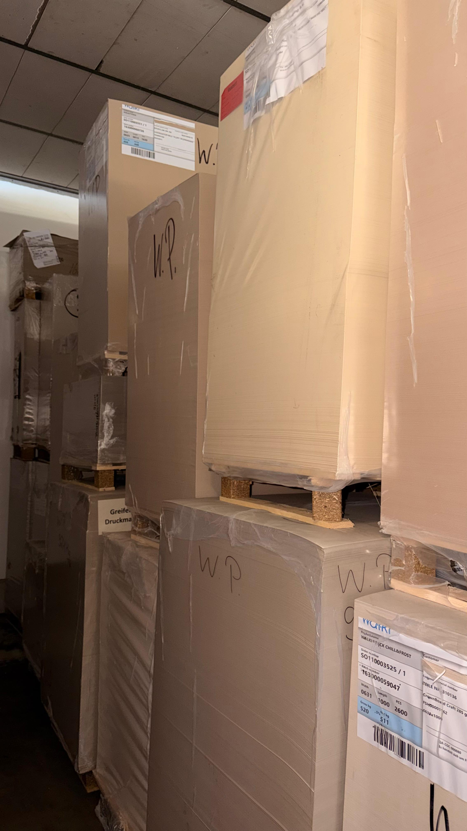
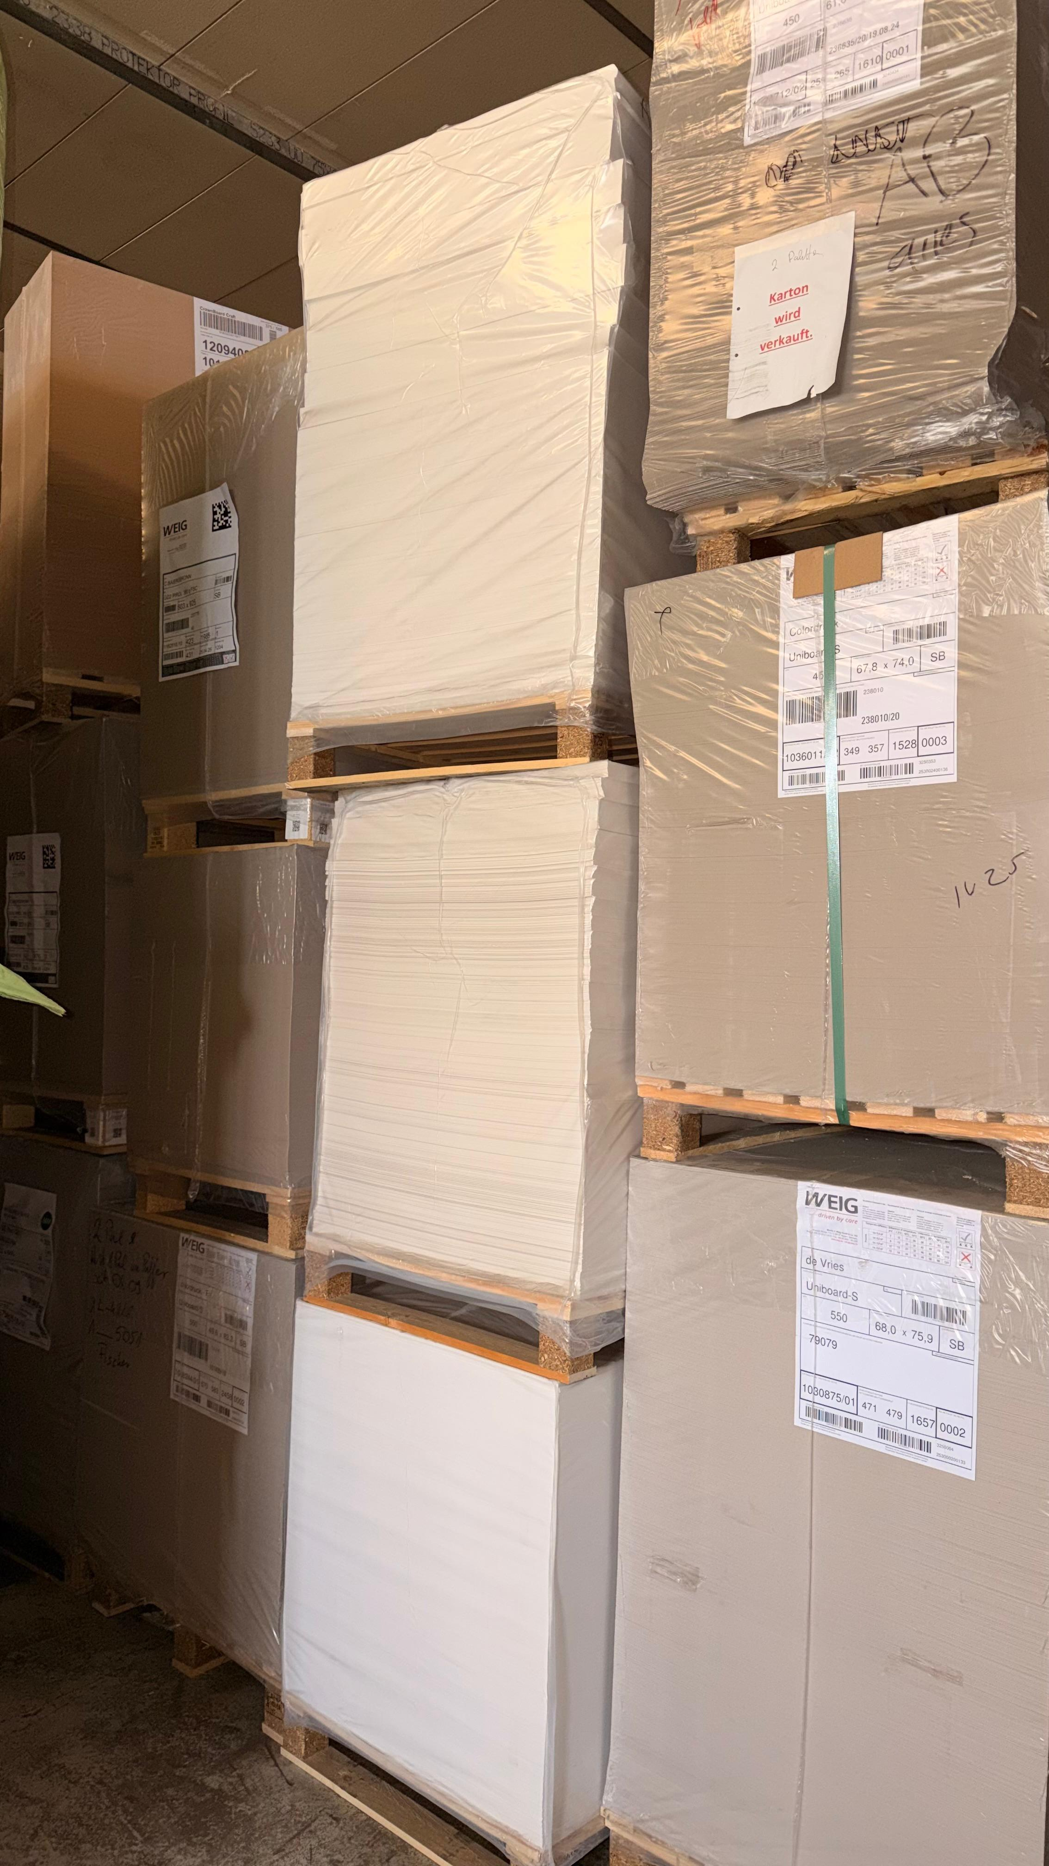
WhatsApp Image 2026-03-31 at 16.27.13 | WhatsApp Image 2026-03-31 at 16.27.14 (1) | WhatsApp Image 2026-03-31 at 16.27.14

OFF-000032
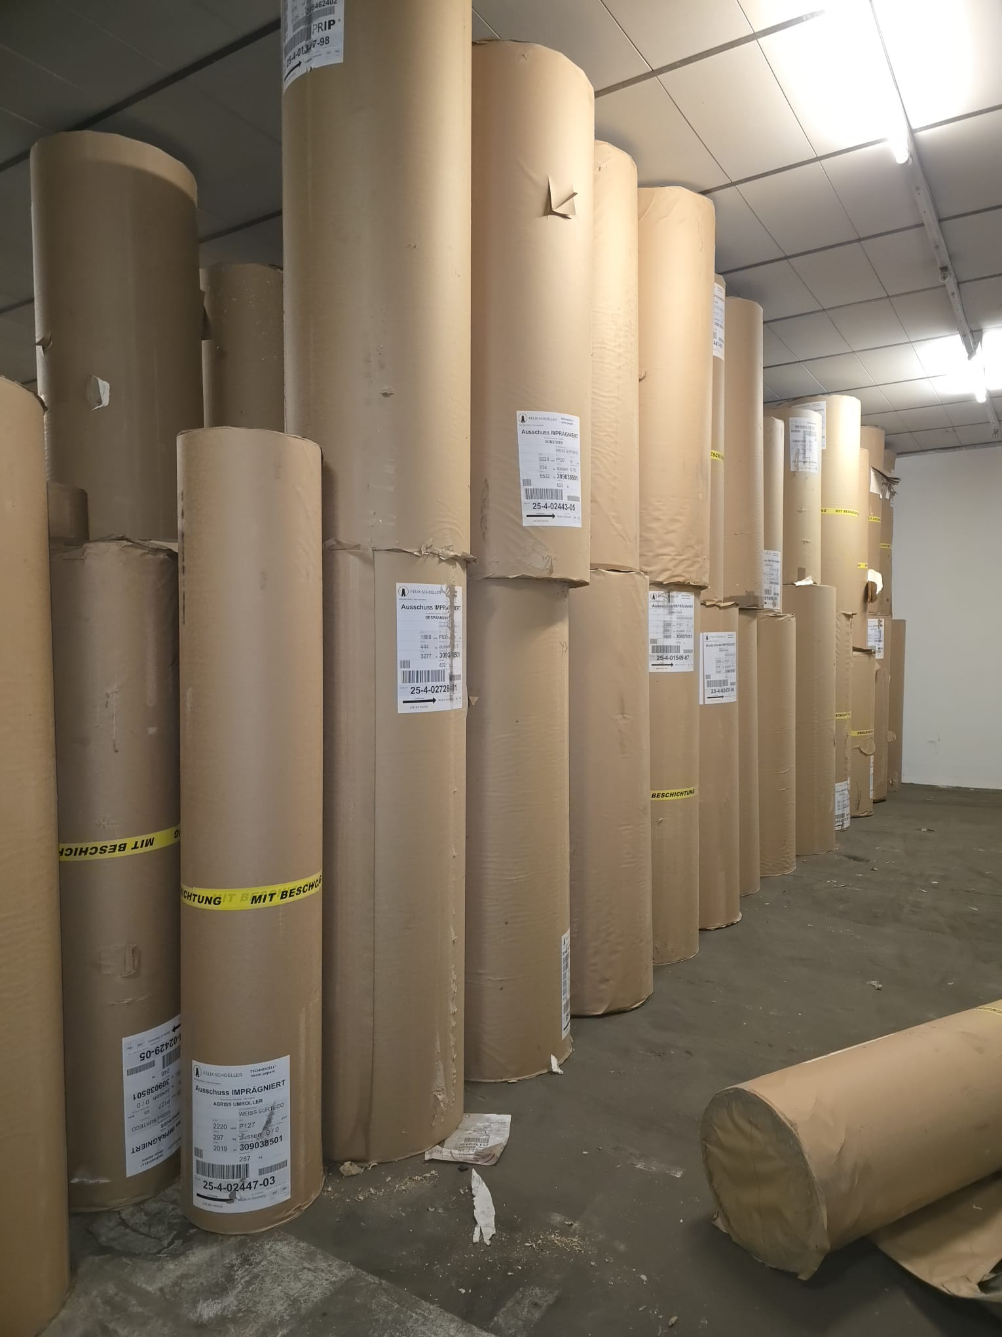
OFF-000032 Wood Free Paper for Packaging | -
Date: 2026-03-10 Rows: 16
# | Item Name | Width | GSM | KG | Qty | Pack Type | Color
1 | Wood Free Paper for Packaging | 222 | 60 | 672 | 2 | Reel | White
2 | Wood Free Paper for Packaging | 222 | 60 | 298 | 1 | Reel | Cream
3 | Wood Free Paper for Packaging | 222 | 60 | 437 | 1 | Reel | White
4 | Wood Free Paper for Packaging | 256 | 60 | 886 | 2 | Reel | Cream
5 | Wood Free Paper for Packaging | 212 | 65 | 667 | 1 | Reel | White
6 | Wood Free Paper for Packaging | 222 | 65 | 8,085 | 14 | Reel | White
7 | Wood Free Paper for Packaging | 222 | 65 | 906 | 2 | Reel | Cream
8 | Wood Free Paper for Packaging | 222 | 65 | 3,613 | 9 | Reel | White
9 | Wood Free Paper for Packaging | 222 | 70 | 1,208 | 2 | Reel | White
10 | Wood Free Paper for Packaging | 111 | 77 | 592 | 1 | Reel | White
11 | Wood Free Paper for Packaging | 212 | 78 | 1,421 | 2 | Reel | White
12 | Wood Free Paper for Packaging | 130 | 80 | 780 | 2 | Reel | White
13 | Wood Free Paper for Packaging | 145 | 80 | 640 | 1 | Reel | White
14 | Wood Free Paper for Packaging | 191 | 80 | 390 | 1 | Reel | White
15 | Wood Free Paper for Packaging | 215 | 80 | 1,392 | 3 | Reel | White
16 | Wood Free Paper for Packaging | 222 | 80 | 2,288 | 4 | Reel | White
TOTAL: 24.275,00 KG 48 pkgs (48 Reel)

📷 Images (2)
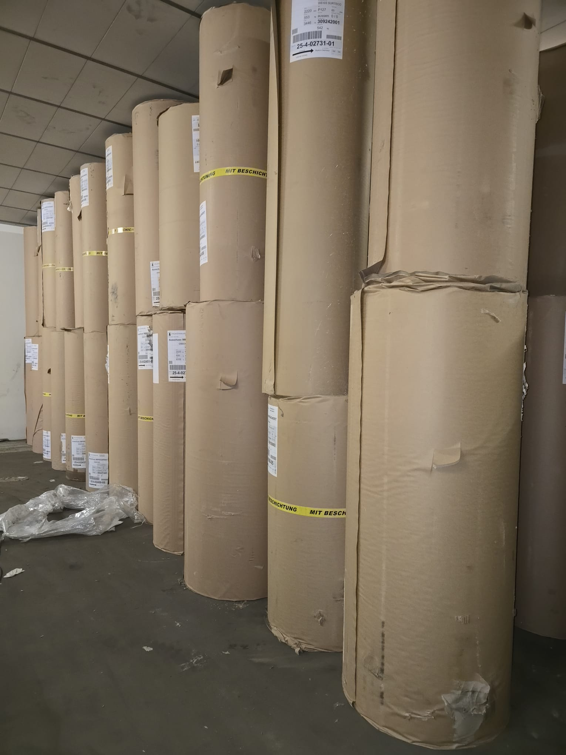
WhatsApp Image 2026-02-04 at 12.49.29 (1) | WhatsApp Image 2026-02-04 at 12.49.29

OFF1146
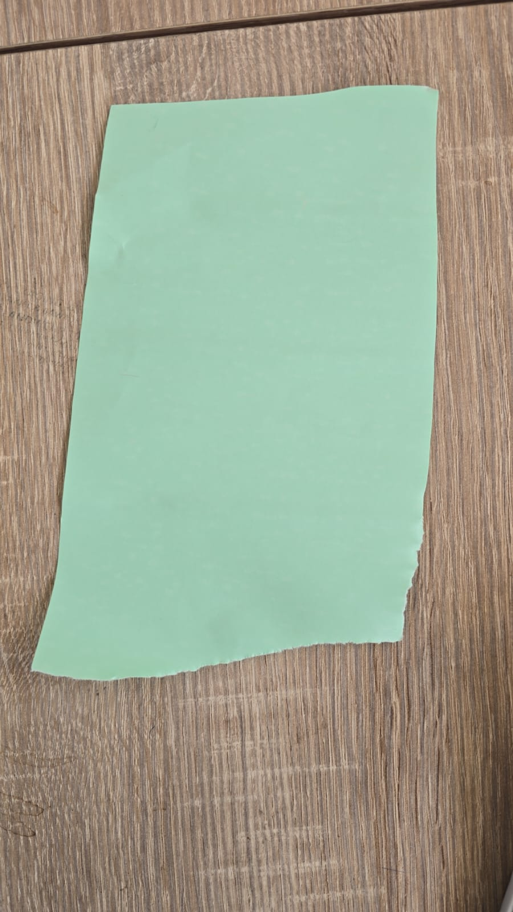
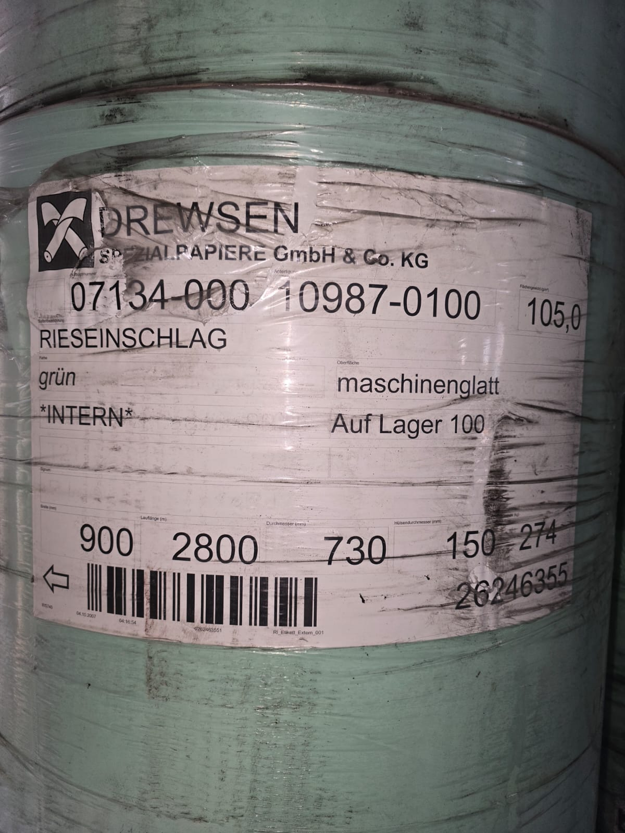
OFF1146 OFF1146 - Printing Paper -Woodfree -Light Green | -
Date: 2026-02-26 Rows: 1
# | Item Name | Width | GSM | KG | Qty | Pack Type | Notes
1 | Printing Paper Woodfree | 76 | 105 | 21,000 | 61 | Reel | Light Green
TOTAL: 21.000,00 KG 61 pkgs (61 Reel)

📷 Images (3)
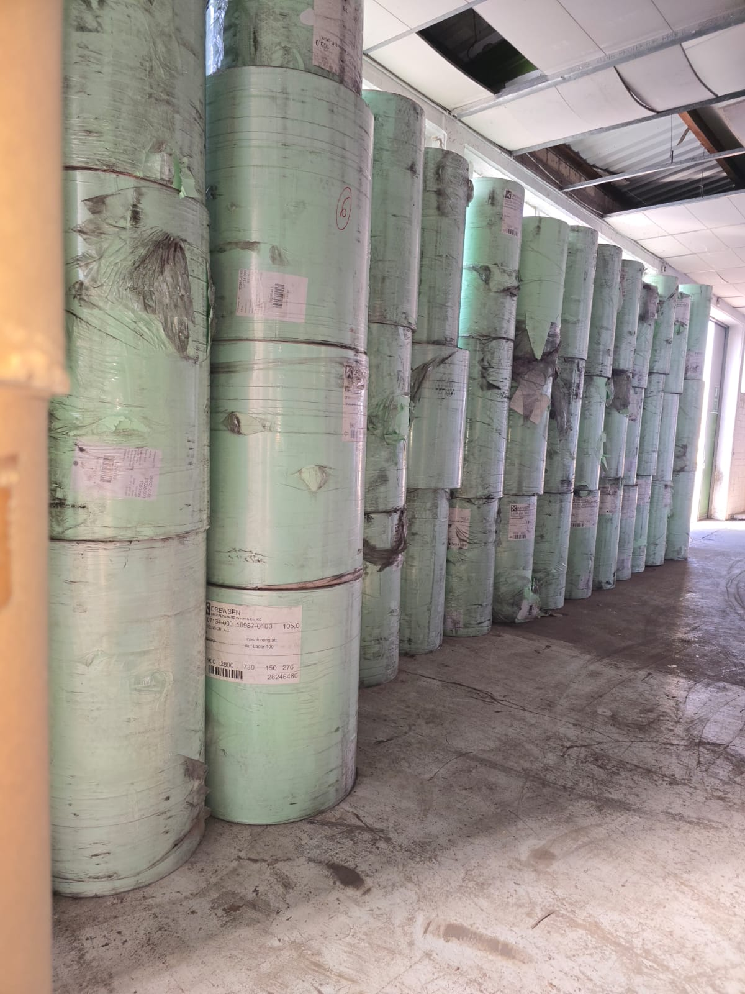
Offer 1146 Printing Paper Wood Free -Light Green | Offer 1146 Printing Paper Wood Free -Light Green2 | Offer 1146 Printing Paper Wood Free -Light Green4

